Summary
TEST EXECUTION REPORT

Information |  | Summary |  |  |  | Test report |  | Run Test base on commit below:
Project name | Artiza 5G | #Test Cases | 87 |  | #Test Cases | 87 |  | Source code FHIC: | LM0213
PM |  | #Executed | 81 |  | #Executed | 81
Reported By | Tri Ho | #Passed | 81 |  | #Passed | 81
Date | 2021-11-02 | #Failed | 0 |  | #Failed | 0 |  | Source code Maintenance Tool: |  | ver1.1.4
 |  | #Pending | 1 |  | #Pending | 1 |  |  |  | Feature_NextChance
 |  | #Not Test | 5 |  | #Not Test | 5 |  |  |  | e0466b16f

Test Case ID | Test Cases Description |  |  | Priority | Final Result
 |  |  |  |  | Tester | Result | Notes
Login Dialog
Gray color:
No need to re-test
MT_LG_1 | Show error message when do not input password |  |  | M |  | PASSED
MT_LG_2 | Show error message when input wrong password (differrent from [fjttool]) |  |  | M |  | PASSED
MT_LG_3 | Return to Login Dialog and focus to input textbox when cliking button OK on error message dialog |  |  | M |  | PASSED
MT_LG_4 | Show Main Screen when input right password |  |  | M |  | PASSED
MT_LG_5 | Exit Login Dialog by clicking [x] |  |  | M |  | PASSED
MT_LG_6 | Exit Login Dialog by clicking button [Exit] |  |  | M |  | PASSED
Main Screen
MT_MS_1 | Start connection with 6 units |  |  | M |  | PASSED
MT_MS_2 | Stop connection with 6 units |  |  | M |  | PASSED
MT_MS_3 | Open Option dialog |  |  | M |  | PASSED
MT_MS_4 | Open About dialog |  |  | M |  | PASSED
MT_MS_5 | Open Unit Detailed dialog |  |  | M |  | PASSED
MT_MS_6 | Close Reset Device dialog without resetting the device |  |  | M |  | PASSED
MT_MS_7 | Reset device |  |  | M |  | PASSED
MT_MS_8 | Reconnect TCP connection after resetting device |  |  | M |  | PASSED
MT_MS_9 | LED STS1 (common) |  |  | M |  | NOT RUN
MT_MS_10 | LED STS2 (common) |  |  | M |  | NOT RUN
MT_MS_11 | LED FAN (common) |  |  | M |  | NOT RUN
MT_MS_12 | LED STS1 (unit) |  |  | M |  | PASSED
MT_MS_13 | LED STS2 (unit) |  |  | M |  | PASSED
MT_MS_14 | Exit Main Screen using button "終了" |  |  | M |  | PASSED
MT_MS_15 | Exit Main Screen using button "X" |  |  | M |  | PASSED
Option Dialog
MT_OD_1 | Open Option dialog |  |  | M |  | PASSED
MT_OD_2 | Close Option dialog |  |  | M |  | PASSED
MT_OD_3 | Input NO value in Option dialog |  |  | M |  | PASSED
MT_OD_4 | Input INVALID value in Option dialog |  |  | M |  | PASSED
MT_OD_5 | Input VALID value in Option dialog |  |  | M |  | PASSED
About Dialog
MT_AD_1 | Open About dialog |  |  | M |  | PASSED
MT_AD_2 | Close About dialog |  |  | M |  | PASSED
Detailed Screen
MT_DS_EXIT_1 | Exit detailed screen |  |  | M |  | PASSED
MT_DS_INV_1 | Display unit number (インベントリ) |  |  | M |  | PASSED
MT_DS_INV_2 | Display firmware version (FWバージョン) |  |  | M |  | PASSED
MT_DS_INV_3 | Display hardware version (HW バージョン) |  |  | M |  | PASSED
MT_DS_INV_4 | Display device name (装置種別) |  |  | M |  | PASSED
MT_DS_FH_1 | [NR] LED PTP |  |  | M |  | PASSED
MT_DS_FH_2 | [NR] LED LINK |  |  | M |  | PASSED
MT_DS_FH_3 | [NR] LED SFP |  |  | M |  | PASSED
MT_DS_FH_4 | [NR] SFP info |  |  | M |  | PASSED
MT_DS_FH_5 | [LTE] LED LINK |  |  | M |  | PASSED
MT_DS_FH_6 | [LTE] LED SFP |  |  | M |  | PASSED
MT_DS_FH_7 | [LTE] SFP info |  |  | M |  | PASSED
MT_DS_FH_8 | [RE] LED LINK |  |  | M |  | PASSED
MT_DS_FH_9 | [RE] LED SFP |  |  | M |  | PASSED
MT_DS_FH_10 | [RE] SFP info |  |  | M |  | PASSED
MT_DS_CELL_1 | [LTE] Cell setting |  |  | M |  | PENDING | Defect in FHIC: CPRI_INT-1223, CPRI_INT-123
MT_DS_CELL_2 | [LTE] Cell releasing |  |  | M |  | PASSED
MT_DS_CELL_3 | [NR] Cell setting |  |  | M |  | NOT RUN
MT_DS_CELL_4 | [NR] Cell releasing |  |  | M |  | NOT RUN
MT_DS_UR_1 | Open Unit Reset dialog |  |  | M |  | PASSED
MT_DS_ACC_1 | Open Account Reset dialog |  |  | M |  | PASSED
MT_DS_ALM_1 | Open Forced Alarm dialog |  |  | M |  | PASSED
MT_DS_LOG_1 | Open Log Collection dialog |  |  | M |  | PASSED
MT_DS_VLAN_1 | Open VLAN ID dialog |  |  | M |  | PASSED
MT_DS_PORT_1 | Open IO port dialog |  |  | M |  | PASSED
MT_DS_FW_1 | Open FW Update dialog |  |  | M |  | PASSED
Unit Reset Dialog
MT_UR_1 | Reset unit |  |  | M |  | PASSED
MT_UR_2 | Reconnect TCP connection after resetting unit |  |  | M |  | PASSED
MT_UR_3 | Close the Unit Reset dialog without resetting the unit |  |  | M |  | PASSED
Account Reset Dialog
MT_AR_1 | Account reset |  |  | M |  | PASSED
MT_AR_2 | Close the Account Reset dialog without resetting the account |  |  | M |  | PASSED
Forced Alarm Dialog
MT_FA_1 | Forced alarm |  |  | M |  | PASSED
MT_FA_2 | Close the Forced Alarm dialog without setting anything |  |  | M |  | PASSED
Log Collection Dialog
MT_LC_1 | Collect log |  |  | M |  | PASSED
MT_LC_2 | Close the Log Collection dialog without collecting any log |  |  | M |  | PASSED
VLAN ID Dialog
MT_VLAN_1 | Set VLAN ID |  |  | M |  | PASSED
MT_VLAN_2 | Check VLAN ID values when openning dialog |  |  | M |  | PASSED
MT_VLAN_3 | Input INVALID value to textbox 最小のVLAN ID |  |  | M |  | PASSED
MT_VLAN_4 | Input INVALID value to textbox 最大のVLAN ID |  |  | M |  | PASSED
MT_VLAN_5 | Close the VLAN ID dialog without setting anything |  |  | M |  | PASSED
IO Port Dialog
MT_IO_1 | [NR] Enable IO port |  |  | M |  | PASSED
MT_IO_2 | [NR] Disable IO port |  |  | M |  | PASSED
MT_IO_3 | [LTE] Enable IO port |  |  | M |  | PASSED
MT_IO_4 | [LTE] Disable IO port |  |  | M |  | PASSED
MT_IO_5 | [RE] Enable IO port |  |  | M |  | PASSED
MT_IO_6 | [RE] Disable IO port |  |  | M |  | PASSED
MT_IO_7 | Check tick/untick state of port when opening the IO port dialog |  |  | M |  | PASSED
Update FW Dialog
MT_FW_1 | Close FW Update dialog |  |  | M |  | PASSED
MT_FW_2 | Browse FW file |  |  | M |  | PASSED
MT_FW_3 | Check notification dialog after finishing FW downloading and updating process |  |  | M |  | PASSED
MT_FW_4 | Check status of button "リセット" in FW Update dialog during/after updating FW |  |  | M |  | PASSED
MT_FW_5 | Check status of button "参照" in FW Update dialog during/after updating FW |  |  | M |  | PASSED
MT_FW_6 | Check status of button "FWファイルDL開始" in FW Update dialog during/after updating FW |  |  | M |  | PASSED
MT_FW_7 | Check status of unit STS2 LED during/after updating FW |  |  | M |  | PASSED
MT_FW_8 | Check bootface after finishing updating FW |  |  | M |  | PASSED
MT_FW_9 | Check FW version and date after finishing updating FW |  |  | M |  | PASSED
MT_FW_10 | Check error message dialog "Unit[unit-number]でFW更新応答：NG" when FW file is INVALID |  |  | M |  | PASSED
MT_FW_11 | Check unit status after finishing updating FW and resetting unit |  |  | M |  | PASSED
MT_FW_12 | Check TCP auto connection and LEDs after finishing updating FW |  |  | M |  | PASSED

Login Dialog
 | Function name | Artiza 5G
 | Function ID
 | Updated date | 2021-09-11
 | Updated by | Tri Ho

 |  |  |  |  |  | << Back
No | Test case ID | Test case name | Precondition | Steps | Expected Result | Remark | Test result | Test date | Note | Evidence
 |  |  |  |  |  |  | PC
Check functions of Login Dialog
1 | MT_LG_1 | Show error message when do not input password | Login Dialog is opened | 1. Do not input password 2. Click button "OK" | 1. Show dialog "パスワードが入力されていません。入力してください。" on message dialog |  | PASSED | 2021-09-11
2 | MT_LG_2 | Show error message when input wrong password (differrent from [fjttool]) | Login Dialog is opened | 1. Input wrong password (different from the text [fjttool]) into textbox 2. Click button "OK" | 1. Show dialog "パスワードに誤りがあります。ご確認の上、再度入力してください。" |  | PASSED | 2021-09-11
3 | MT_LG_3 | Return to Login Dialog and focus to input textbox when cliking button OK on error message dialog | Error message dialog is opened | 1. Click button "OK" on error message dialog | 1. Close error message dialog 2. Return to Login Dialog 3. Focus to textbox of password |  | PASSED | 2021-09-11
4 | MT_LG_4 | Show Main Screen when input right password | Login Dialog is opened | 1. Input right password (input text [fjttool]) into textbox 2. Click button "OK" | 1. Show Main Screen |  | PASSED | 2021-09-11
5 | MT_LG_5 | Exit Login Dialog by clicking [x] | Login Dialog is opened | 1. Click [x] on top right of Login Dialog | 1. Close Login Dialog |  | PASSED | 2021-09-11
6 | MT_LG_6 | Exit Login Dialog by clicking button [Exit] | Login Dialog is opened | 1. Click button [Exit] | 1. Close Login Dialog |  | PASSED | 2021-09-11

Gray color:
No need to re-test in CPRI_INT-1034
Reason: UI feature

Main Screen
 | Function name | Artiza 5G
 | Function ID
 | Updated date | 2021-11-02
 | Updated by | Tri Ho

 |  |  |  |  |  | << Back
No | Test case ID | Test case name | Precondition | Steps | Expected Result | Remark | Test result | Test date | Note | Evidence
 |  |  |  |  |  |  | PC
TCP connection
1 | MT_MS_1 | Start connection with 6 units | 1. Main Screen is opened 2. Button "MT接続開始" is enabled | 1. Click button "MT接続開始" | 1. TCP connection is established with 6 Units 2. Button "MT接続開始" is disabled 3. Button "MT接続停止" is enabled 4. Connection LED (状態監視中) has color Green. 5. Following LEDs are turned ON. There colors are according to test cases MT_MS_9 - MT_MS_12 - Common parts: + STS1 + STS2 + FAN - Unit parts: + STS1 + STS2 | Test 10 times. All passed. | PASSED | 2021-11-01
2 | MT_MS_2 | Stop connection with 6 units | 1. Main Screen is opened 2. Button "MT接続停止" is enabled | 1. Click button "MT接続停止" | 1. TCP connection is released with 6 Units 2. Button "MT接続停止" is disabled 3. Button "MT接続開始" is enabled 4. Connection LED (状態監視中) has color RED. 5. Following LEDs are turned OFF: - Common parts: + STS1 + STS2 + FAN - Unit parts: + STS1 + STS2 | Test 10 times. All passed. | PASSED | 2021-11-01 | 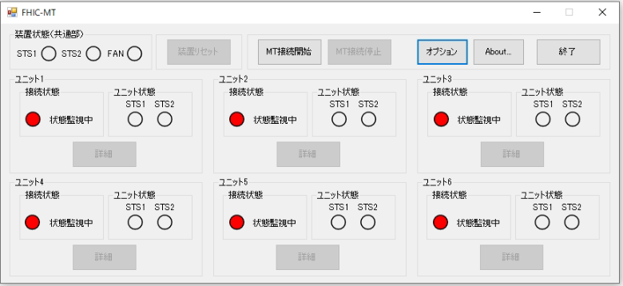
Button to open dialogs
3 | MT_MS_3 | Open Option dialog | 1. Main Screen is opened 2. Button "オプション" is enabled | 1. Click button "オプション" | 1. The Option dialog is opened |  | PASSED | 2021-09-11
4 | MT_MS_4 | Open About dialog | 1. Main Screen is opened 2. Button "About…" is enabled | 1. Click button "About…" | 1. The About dialog is opened |  | PASSED | 2021-09-11 | 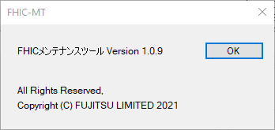
5 | MT_MS_5 | Open Unit Detailed dialog | 1. Main Screen is opened 2. Button "詳細" is enabled | 1. Click button "詳細" | 1. The Unit Detailed dialog is opened |  | PASSED | 2021-09-11 | 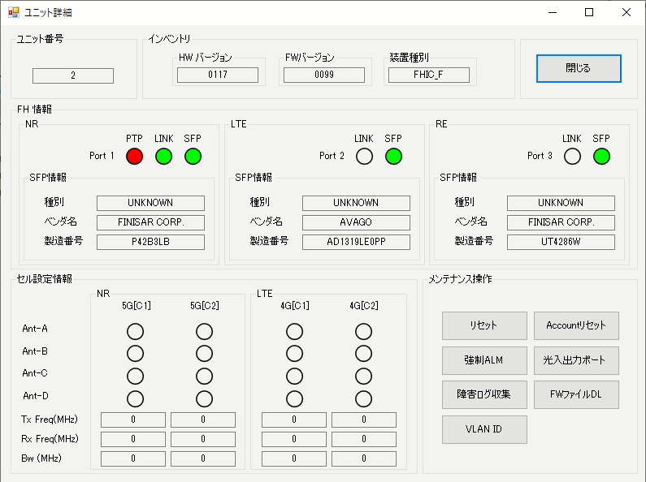
Device reset
6 | MT_MS_6 | Close Reset Device dialog without resetting the device | 1. Main Screen is opened 2. Button "装置リセッ" is enabled | 1. Click button "装置リセッ" 1. From the displayed confirmation dialog, click button "No" | 1. The Reset Device dialog is closed 2. Back to the Main Screen dialog |  | PASSED | 2021-11-02 | 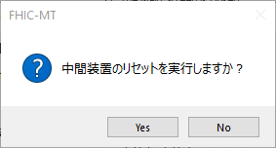
7 | MT_MS_7 | Reset device | 1. Main Screen is opened 2. Button "装置リセッ" is enabled | 1. Click button "装置リセッ" 1. From the displayed confirmation dialog, click button "Yes" | 1. The Reset Device dialog is closed. 2. The whole device (6 units) are reseted 3. All UI controls from the main screen are disabled |  | PASSED | 2021-11-01 | 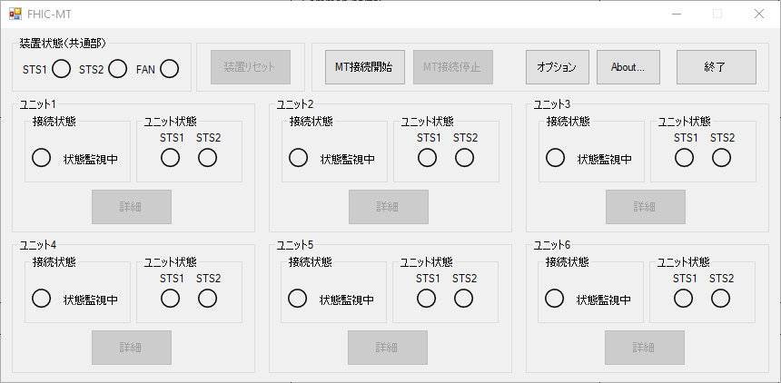
8 | MT_MS_8 | Reconnect TCP connection after resetting device | 1. Main Screen is opened 2. The button "装置リセッ" is just clicked | 1. Wait a few seconds 2. Check if MT tool is reconnect with all 6 units of Intermediate Device | 1. MT tool is reconnect with all 6 units of the Intermediate Device 2. Button "MT接続開始" is disabled 3. Button "MT接続停止" is enabled 4. Following LEDs are turned ON: - Common parts: + STS1 + STS2 + FAN - Unit parts: + Connection status + STS1 + STS2 | Test 10 times. All passed. | PASSED | 2021-11-02 | 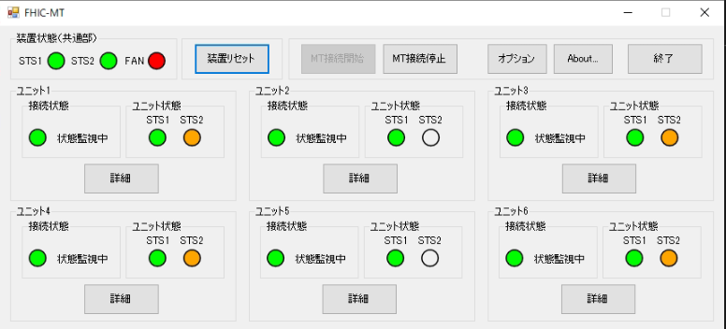
Common LEDs
9 | MT_MS_9 | LED STS1 (common) | 1. Main Screen is opened 2. Button "MT接続開始" is enabled | 1. Write CPLD register with command: rrh -cw 10 1 | LED STS1 has color: Red |  | NOT RUN |  | Noted in CPRI_INT-909
 |  |  |  | 1. Write CPLD register with command: rrh -cw 10 2 | LED STS1 has color: Green | passed
 |  |  |  | 1. Write CPLD register with command: rrh -cw 10 5 | LED STS1 has flashing color: Red
 |  |  |  | 1. Write CPLD register with command: rrh -cw 10 6 | LED STS1 has flashing color: Green
 |  |  |  | 1. Write CPLD register with command: rrh -cw 10 7 | LED STS1 has flashing color: Orange - Green
 |  |  |  | 1. Write CPLD register with command: rrh -cw 10 <other-value> | LED STS1 has color: Gray
10 | MT_MS_10 | LED STS2 (common) | 1. Main Screen is opened 2. Button "MT接続開始" is enabled | 1. Write CPLD register with command: rrh -cw 10 10 | LED STS2 has color: Orange |  | NOT RUN |  | Noted in CPRI_INT-909
 |  |  |  | 1. Write CPLD register with command: rrh -cw 10 20 | LED STS2 has color: Green | passed
 |  |  |  | 1. Write CPLD register with command: rrh -cw 10 50 | LED STS2 has flashing color: Orange
 |  |  |  | 1. Write CPLD register with command: rrh -cw 10 60 | LED STS2 has flashing color: Green
 |  |  |  | 1. Write CPLD register with command: rrh -cw 10 70 | LED STS2 has flashing color: Orange - Green
 |  |  |  | 1. Write CPLD register with command: rrh -cw 10 <other-value> | LED STS2 has color: Gray | passed
11 | MT_MS_11 | LED FAN (common) | 1. Main Screen is opened 2. Button "MT接続開始" is enabled | 1. Run command "rrh -status" and check FAN status. If the status is: "[FAN]" then the FAN runs normally | LED FAN has color: Green | passed | NOT RUN |  | Noted in CPRI_INT-909
 |  |  |  | 1. Run command "rrh -status" and check FAN status. If the status is: "NOT MOUNT" or "[FAN] FAN#1 Low rotation speed. FAN#2 Low rotation speed. FAN#3 Low rotation speed. FAN#4 Low rotation speed" then the FAN runs abnormally (FAN not mounted, or FAN #1 ~ FAN #4 All rotation speed reduction) | LED FAN has color: Red | passed
 |  |  |  | 1. Run command "rrh -status" and check FAN status. If the status is: then the FAN runs abnormally (one of FAN #1, FAN #2, FAN #3 or FAN #4 rotation speed reduction) | LED FAN has color: Orange | not run
Unit LEDs
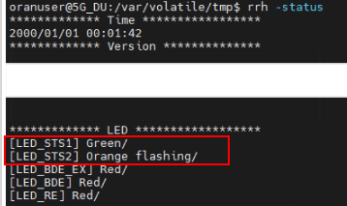
12 | MT_MS_12 | LED STS1 (unit) | 1. Main Screen is opened 2. Button "MT接続開始" is enabled | 1. Write register with command: rrh -w 88000064 1 | LED STS1 has color: Red |  | PASSED | 2021-11-02
 |  |  |  | 1. Write register with command: rrh -w 88000064 2 | LED STS1 has color: Green
 |  |  |  | 1. Write register with command: rrh -w 88000064 5 | LED STS1 has flashing color: Red
 |  |  |  | 1. Write register with command: rrh -w 88000064 6 | LED STS1 has flashing color: Green
 |  |  |  | 1. Write register with command: rrh -w 88000064 7 | LED STS1 has flashing color: Red - Green
 |  |  |  | 1. Write register with command: rrh -w 88000064 <other-value> | LED STS1 has color: Gray
13 | MT_MS_13 | LED STS2 (unit) | 1. Main Screen is opened 2. Button "MT接続開始" is enabled | 1. Write register with command: rrh -w 88000060 1 | LED STS2 has color: Orange |  | PASSED | 2021-11-02
 |  |  |  | 1. Write register with command: rrh -w 88000060 2 | LED STS2 has color: Green
 |  |  |  | 1. Write register with command: rrh -w 88000060 5 | LED STS2 has flashing color: Orange
 |  |  |  | 1. Write register with command: rrh -w 88000060 6 | LED STS2 has flashing color: Green
 |  |  |  | 1. Write register with command: rrh -w 88000060 7 | LED STS2 has flashing color: Orange - Green
 |  |  |  | 1. Write register with command: rrh -w 88000060 <other-value> | LED STS2 has color: Gray
Exit button
14 | MT_MS_14 | Exit Main Screen using button "終了" | 1. Main Screen is opened 2. Button "終了" is enabled | 1. Click button "終了" 2. Click "Yes" from the confirmation dialog | 1. The Main Screen is closed 2. The process of MT tool is terminated (check with Windows Task Manager) |  | PASSED | 2021-09-11
 |  |  |  | 1. Click button "終了" 2. Click "No" from the confirmation dialog | 1. The confirmation dialog is closed 2. Back to the Main Screen
15 | MT_MS_15 | Exit Main Screen using button "X" | 1. Main Screen is opened 2. Button "終了" is enabled | 1. Click button "X" from the window right corner 2. Click "Yes" from the confirmation dialog | 1. The Main Screen is closed 2. The process of MT tool is terminated (check with Windows Task Manager) |  | PASSED | 2021-09-11
 |  |  |  | 1. Click button "X" from the window right corner 2. Click "No" from the confirmation dialog | 1. The confirmation dialog is closed 2. Back to the Main Screen

Option Dialog
 | Function name | Artiza 5G
 | Function ID
 | Updated date | 2021-09-11
 | Updated by | Tri Ho

 |  |  |  |  |  | << Back
No | Test case ID | Test case name | Precondition | Steps | Expected Result | Remark | Test result | Test date | Note | Evidence
 |  |  |  |  |  |  | PC
Check function of Option Dialog
1 | MT_OD_1 | Open Option dialog | 1. Main Screen is opened 2. Button "オプション" is enabled | 1. Click button "オプション" | 1. The Option dialog is opened |  | PASSED | 2021-09-11
2 | MT_OD_2 | Close Option dialog | 1. Option dialog is opened | 1. Click button "Cancel" or "[X]" | 1. The Option dialog is closed |  | PASSED | 2021-09-11
3 | MT_OD_3 | Input NO value in Option dialog | 1. Option dialog is opened | 1. Don't input any value to 監視周期 textbox. | 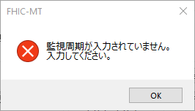 1. Error message dialog is displayed |  | PASSED | 2021-09-11
4 | MT_OD_4 | Input INVALID value in Option dialog | 1. Option dialog is opened | 1. Input one of following values to 監視周期 textbox: - 0 - Value which is greater than 10000 | 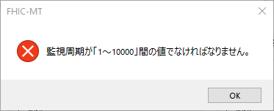 1. Error message dialog is displayed |  | PASSED | 2021-09-11
5 | MT_OD_5 | Input VALID value in Option dialog | 1. Option dialog is opened | 1. Input value which is 0 < value <= 10000 to 監視周期 textbox 2. Click button "OK" 3. Click button "オプション" to re-open the Option dialog | 1. The Option dialog is closed 2. The inputed value is saving |  | PASSED | 2021-09-11
Gray color:
No need to re-test in CPRI_INT-1034
Reason: UI feature

About Dialog
 | Function name | Artiza 5G
 | Function ID
 | Updated date | 2021-09-11
 | Updated by | Tri Ho

 |  |  |  |  |  | << Back
No | Test case ID | Test case name | Precondition | Steps | Expected Result | Remark | Test result | Test date | Note | Evidence
 |  |  |  |  |  |  | PC
Check function of About Dialog
1 | MT_AD_1 | Open About dialog | 1. Main Screen is opened 2. Button "About…" is enabled | 1. Click button "About…" | 1. The About dialog is opened |  | PASSED | 2021-09-11
2 | MT_AD_2 | Close About dialog | 1. About dialog is opened | 1. Click button "OK" or "[X]" | 1. The About dialog is closed |  | PASSED | 2021-09-11
Gray color:
No need to re-test in CPRI_INT-1034
Reason: UI feature

Detailed Screen
 | Function name | Artiza 5G
 | Function ID
 | Updated date | 2021-11-02
 | Updated by | Tri Ho

 |  |  |  |  |  | << Back
No | Test case ID | Test case name | Precondition | Steps | Expected Result | Remark | Test result | Test date | Note | Evidence
 |  |  |  |  |  |  | PC
Exit detailed screen
1 | MT_DS_EXIT_1 | Exit detailed screen | 1. Detailed screen of the selected unit is opened 2. Button "閉じる" is enabled | 1. Click button "閉じる" | 1. The Detailed Screen of the selected unit is closed 2. Back to the Main Screen |  | PASSED | 2021-09-11
Inventory information (for 6 units)
2 | MT_DS_INV_1 | Display unit number (インベントリ) | 1. Detailed screen of the selected unit is opened | 1. Check textbox インベントリ | 1. The selected unit number (value range: 1-6) is displayed |  | PASSED | 2021-11-02
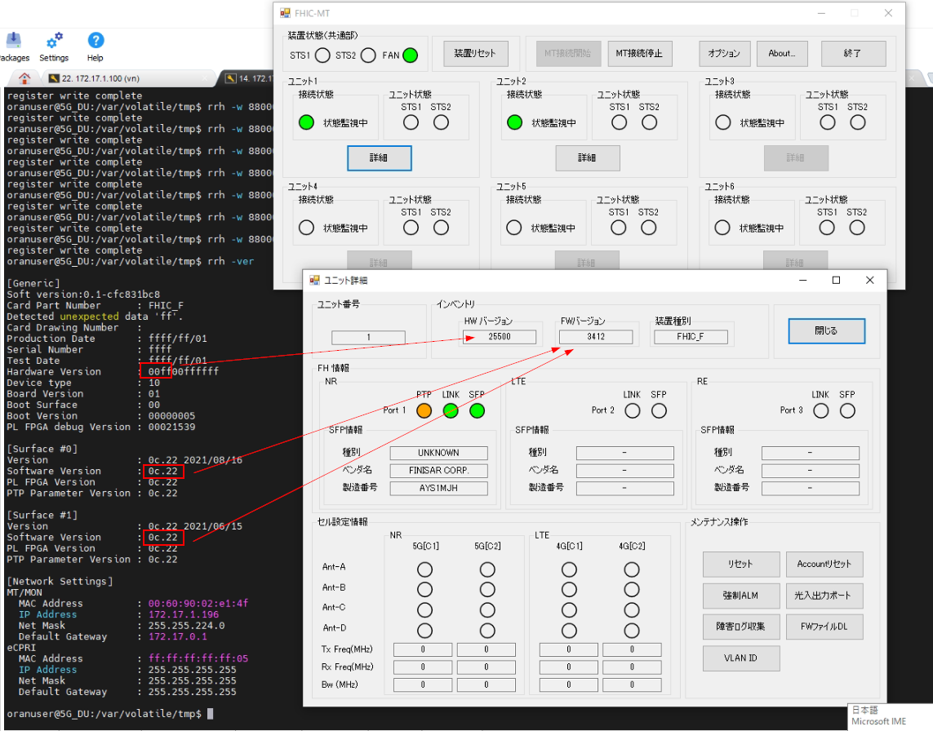
3 | MT_DS_INV_2 | Display firmware version (FWバージョン) | 1. Detailed screen of the selected unit is opened | 1. Check textbox FWバージョン | 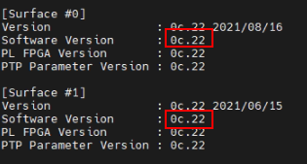 1. The firmware version of the selected unit number is displayed. The FW version is a 4-digit number. The FW version is the same as "Software Version" in "rrh -ver" command. Note: Each bootface has a different FW version (check bootface by running command "rrh -pser 50") |  | PASSED | 2021-11-02
4 | MT_DS_INV_3 | Display hardware version (HW バージョン) | 1. Detailed screen of the selected unit is opened | 1. Check textbox HW バージョン | 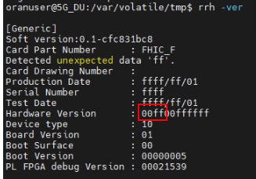 1. The hardware version of the selected unit number is displayed. The HW version is a 4-digit number. The HW version is the same as "Hardware Version" in "rrh -ver" command. |  | PASSED | 2021-11-02
5 | MT_DS_INV_4 | Display device name (装置種別) | 1. Detailed screen of the selected unit is opened | 1. Check textbox 装置種別 | 1. The device name of the selected unit number is displayed. The device name is fixed as "FHIC_F". |  | PASSED | 2021-11-02
FH information (FH 情報) (for 6 units)
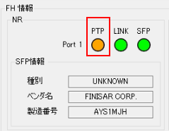
6 | MT_DS_FH_1 | [NR] LED PTP | 1. Detailed screen of the selected unit is opened 2. Plug in SFP device into NR port | 1. Write register with command: rrh -w a000018c 10000000 # freerun | 1. [NR] PTP LED is Red |  | PASSED | 2021-09-11
 |  |  |  | 1. Write register with command: rrh -w a000018c 20000000 # locked | 1. [NR] PTP LED is Green
 |  |  |  | 1. Write register with command: rrh -w a000018c 40000000 # hold (unlocked) | 1. [NR] PTP LED is Orange
 |  |  |  | 1. Write register with command: rrh -w a000018c <other-value> | 1. [NR] PTP LED is Gray
7 | MT_DS_FH_2 | [NR] LED LINK | 1. Detailed screen of the selected unit is opened 2. Plug in SFP device into NR port | 1. Write register with command: rrh -w 88000004 00000008 | 1. [NR] LINK LED is Green |  | PASSED | 2021-09-11
 |  |  |  | 1. Write register with command: rrh -w 88000004 <other-value> | 1. [NR] LINK LED is Gray
 |  |  |  | 1. Untick NR port in "光入出力ポート" dialog 2. Reset unit. Wait for TCP connection. Open Detailed Screen. | 1. [NR] LINK LED is Gray
8 | MT_DS_FH_3 | [NR] LED SFP | 1. Detailed screen of the selected unit is opened 2. Plug in SFP device into NR port | 1. Plug in SFP device into NR port 2. Tick NR port in "光入出力ポート" dialog | 1. [NR] SFP LED is Green |  | PASSED | 2021-09-11
 |  |  |  | 1. Plug in SFP device into NR port 2. Untick NR port in "光入出力ポート" dialog | 1. [NR] SFP LED is Gray
9 | MT_DS_FH_4 | [NR] SFP info | 1. Detailed screen of the selected unit is opened 2. Plug in SFP device into NR port | 1. Tick NR port in "光入出力ポート" dialog | 1. [NR] SFP info (type, vendor name, serial number) is displayed. The info is the same as ouput of command "rrh -sfpmon all all" |  | PASSED | 2021-09-11
 |  |  |  | 1. Untick NR port in "光入出力ポート" dialog 2. Reset unit. Wait for TCP connection. Open Detailed Screen | 1. [NR] SFP info (type, vendor name, serial number) is cleared
10 | MT_DS_FH_5 | [LTE] LED LINK | 1. Detailed screen of the selected unit is opened 2. Plug in SFP device into NR port | 1. Plug in SFP device into RE port 2. Write register with command: rrh -w 88000014 00000008 | 1. [LTE] LINK LED is Green |  | PASSED | 2021-11-02
 |  |  |  | 1. Plug in SFP device into RE port 2. Write register with command: rrh -w 88000014 <other-value> | 1. [LTE] LINK LED is Gray
 |  |  |  | 1. Untick LTE port in "光入出力ポート" dialog 2. Reset unit. Wait for TCP connection. Open Detailed Screen. | 1. [LTE] LINK LED is Gray
11 | MT_DS_FH_6 | [LTE] LED SFP | 1. Detailed screen of the selected unit is opened 2. Plug in SFP device into NR port | 1. Plug in SFP device into LTE port 2. Tick LTE port in "光入出力ポート" dialog | 1. [LTE] PTP LED is Green |  | PASSED | 2021-11-02
 |  |  |  | 1. Plug in SFP device into LTE port 2. Untick LTE port in "光入出力ポート" dialog | 1. [LTE] PTP LED is Gray
12 | MT_DS_FH_7 | [LTE] SFP info | 1. Detailed screen of the selected unit is opened 2. Plug in SFP device into NR port | 1. Tick LTE port in "光入出力ポート" dialog | 1. [LTE] SFP info (type, vendor name, serial number) is displayed. The info is the same as ouput of command "rrh -sfpmon all all" |  | PASSED | 2021-11-02
 |  |  |  | 1. Untick LTE port in "光入出力ポート" dialog 2. Reset unit. Wait for TCP connection. Open Detailed Screen | 1. [LTE] SFP info (type, vendor name, serial number) is cleared
13 | MT_DS_FH_8 | [RE] LED LINK | 1. Detailed screen of the selected unit is opened 2. Plug in SFP device into NR port | 1. Write register with command: rrh -w 88000024 00000008 | 1. [RE] LINK LED is Green |  | PASSED | 2021-11-02
 |  |  |  | 1. Write register with command: rrh -w 88000024 <other-value> | 1. [RE] LINK LED is Gray
 |  |  |  | 1. Untick RE port in "光入出力ポート" dialog 2. Reset unit. Wait for TCP connection. Open Detailed Screen. | 1. [RE] LINK LED is Gray
14 | MT_DS_FH_9 | [RE] LED SFP | 1. Detailed screen of the selected unit is opened 2. Plug in SFP device into NR port | 1. Plug in SFP device into RE port 2. Tick RE port in "光入出力ポート" dialog | 1. [RE] LINK LED is Green |  | PASSED | 2021-11-02
 |  |  |  | 1. Plug in SFP device into RE port 2. Untick RE port in "光入出力ポート" dialog | 1. [RE] LINK LED is Gray
15 | MT_DS_FH_10 | [RE] SFP info | 1. Detailed screen of the selected unit is opened 2. Plug in SFP device into NR port | 1. Tick RE port in "光入出力ポート" dialog | 1. [RE] SFP info (type, vendor name, serial number) is displayed. The info is the same as ouput of command "rrh -sfpmon all all" |  | PASSED | 2021-11-02
 |  |  |  | 1. Untick RE port in "光入出力ポート" dialog 2. Reset unit. Wait for TCP connection. Open Detailed Screen | 1. [RE] SFP info (type, vendor name, serial number) is cleared
Cell setting information (セル設定情報) (for 6 units)
16 | MT_DS_CELL_1 | [LTE] Cell setting | 1. Detailed screen of the selected unit is opened 2. Unit is started in LTE-only mode 2. Unit is started in LTE-only mode | 1. Send msg 4111 (LTE cell setting) using CPRI-MT simulator tool, with scenario data: snd_msg.carno = 1 snd_msg.bandwidth = 1 snd_msg.dl_freq = [ 225 <= value <= 375 ] snd_msg.tx_ant_no = 1 2. Check LTE cell setting area | 1. Cell setting area for 4G[C1] is displayed with data: - Ant-A: Green, Ant-B: Gray, Ant-C: Gray, Ant-D: Gray - Downlink freq: An integer calculated using "2110 + snd_msg.dl_freq x 0.1" - Uplink freq: An integer calculated using "DownlinkFreq - 190" - Bandwidth: 5 2. Cell setting area for 4G[C2] is UNCHANGED |  | PENDING |  | In this example image, sd_msg.dl_req = 225 | 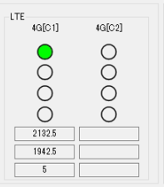
 |  |  |  | 1. Send msg 4111 (LTE cell setting) using CPRI-MT simulator tool, with scenario data: snd_msg.carno = 1 snd_msg.bandwidth = 2 snd_msg.dl_freq = 1574, or 1774 <= value <= 1924 snd_msg.tx_ant_no = 2 2. Check LTE cell setting area | 1. Cell setting area for 4G[C1] is displayed with data: - Ant-A: Gray, Ant-B: Green, Ant-C: Gray, Ant-D: Gray - Downlink freq: An integer calculated using "1805 + 0.1 x (snd_msg.dl_freq - 1200)" - Uplink freq: An integer calculated using "DownlinkFreq - 95" - Bandwidth: 10 2. Cell setting area for 4G[C2] is UNCHANGED |  |  |  | In this example image, sd_msg.dl_req = 1574 | 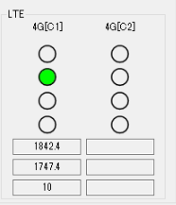
 |  |  |  | 1. Send msg 4111 (LTE cell setting) using CPRI-MT simulator tool, with scenario data: snd_msg.carno = 1 snd_msg.bandwidth = 3 snd_msg.dl_freq = 6025 <= value <= 6125 snd_msg.tx_ant_no = 3 2. Check LTE cell setting area | 1. Cell setting area for 4G[C1] is displayed with data: - Ant-A: Green, Ant-B: Green, Ant-C: Gray, Ant-D: Gray - Downlink freq: An integer calculated using "875 + 0.1 x (snd_msg.dl_freq - 6000)" - Uplink freq: An integer calculated using "DownlinkFreq - 45" - Bandwidth: 15 2. Cell setting area for 4G[C2] is UNCHANGED |  |  |  | In this example image, sd_msg.dl_req = 6025 | 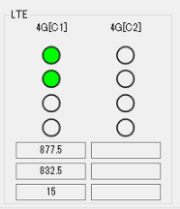
 |  |  |  | 1. Send msg 4111 (LTE cell setting) using CPRI-MT simulator tool, with scenario data: snd_msg.carno = 1 snd_msg.bandwidth = 4 snd_msg.dl_freq = 6475 <= value <= 6575 snd_msg.tx_ant_no = 4 2. Check LTE cell setting area | 1. Cell setting area for 4G[C1] is displayed with data: - Ant-A: Gray, Ant-B: Gray, Ant-C: Green, Ant-D: Gray - Downlink freq: An integer calculated using "1495.9 + 0.1 x (snd_msg.dl_freq - 6450)" - Uplink freq: An integer calculated using "DownlinkFreq - 48" - Bandwidth: 20 2. Cell setting area for 4G[C2] is UNCHANGED |  |  |  | In this example image, sd_msg.dl_req = 6475 | 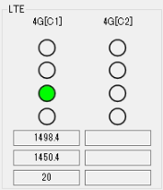
 |  |  |  | 1. Send msg 4111 (LTE cell setting) using CPRI-MT simulator tool, with scenario data: snd_msg.carno = 1 snd_msg.bandwidth = 4 snd_msg.dl_freq = 9485 <= value <= 9535 snd_msg.tx_ant_no = 4 2. Check LTE cell setting area | 1. Cell setting area for 4G[C1] is displayed with data: - Ant-A: Gray, Ant-B: Gray, Ant-C: Green, Ant-D: Gray - Downlink freq: An integer calculated using "758 + 0.1 x (snd_msg.dl_freq - 9210)" - Uplink freq: An integer calculated using "DownlinkFreq - 55" - Bandwidth: 20 2. Cell setting area for 4G[C2] is UNCHANGED |  |  |  | In this example image, sd_msg.dl_req = 9485 | 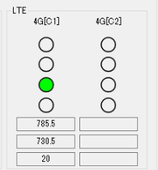
 |  |  |  | 1. Send msg 4111 (LTE cell setting) using CPRI-MT simulator tool, with scenario data: snd_msg.carno = 1 snd_msg.bandwidth = 4 snd_msg.dl_freq = 42015 <= value <= 42365 snd_msg.tx_ant_no = 4 2. Check LTE cell setting area | 1. Cell setting area for 4G[C1] is displayed with data: - Ant-A: Gray, Ant-B: Gray, Ant-C: Green, Ant-D: Gray - Downlink freq: An integer calculated using "3400 + 0.1 x (snd_msg.dl_freq - 41590)" - Uplink freq: Downlink freq - Bandwidth: 20 2. Cell setting area for 4G[C2] is UNCHANGED |  |  |  | In this example image, sd_msg.dl_req = 42015 | 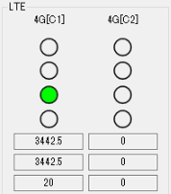
 |  |  |  | 1. Send msg 4111 (LTE cell setting) using CPRI-MT simulator tool, with scenario data: snd_msg.carno = 1 snd_msg.bandwidth = 4 snd_msg.dl_freq = 42415 <= value <= 42765 snd_msg.tx_ant_no = 4 2. Check LTE cell setting area | 1. Cell setting area for 4G[C1] is displayed with data: - Ant-A: Gray, Ant-B: Gray, Ant-C: Green, Ant-D: Gray - Downlink freq: An integer calculated using "3400 + 0.1 x (snd_msg.dl_freq - 41590)" - Uplink freq: Downlink freq - Bandwidth: 20 2. Cell setting area for 4G[C2] is UNCHANGED |  |  |  | In this example image, sd_msg.dl_req = 42015 | 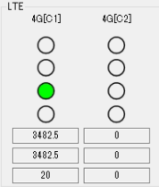
 |  |  |  | 1. Send msg 4111 (LTE cell setting) using CPRI-MT simulator tool, with scenario data: snd_msg.carno = 1 snd_msg.bandwidth = [ value which is not 1, 2, 3 or 4 ] snd_msg.dl_freq = [ other value as above TCs ] snd_msg.tx_ant_no = [ value which is not 1, 2, 3 or 4 ] 2. Check LTE cell setting area | 1. Cell setting area for 4G[C1] is displayed with data: - Ant-A: Gray, Ant-B: Gray, Ant-C: Gray, Ant-D: Gray - Downlink freq: その範囲外 - Uplink freq: その範囲外 - Bandwidth: その範囲外 2. Cell setting area for 4G[C2] is UNCHANGED |  |  |  |  | 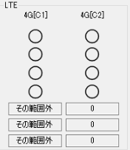
 |  |  |  | 1. Send msg 4111 (LTE cell setting) using CPRI-MT simulator tool, with scenario data: snd_msg.carno = 2 snd_msg.bandwidth = 1 snd_msg.dl_freq = 225 <= value <= 375 snd_msg.tx_ant_no = 1 2. Check LTE cell setting area | 1. Cell setting area for 4G[C1] is UNCHANGED 2. Cell setting area for 4G[C2] is displayed with data: - Ant-A: Gray, Ant-B: Gray, Ant-C: Gray, Ant-D: Gray - Downlink freq: [Empty textbox] - Uplink freq: [Empty textbox] - Bandwidth: [Empty textbox] |  |  |  |  | 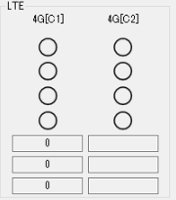
 |  |  |  | 1. Send msg 4111 (LTE cell setting) using CPRI-MT simulator tool, with scenario data: snd_msg.carno = 2 snd_msg.bandwidth = 2 snd_msg.dl_freq = 1574, or 1774 <= value <= 1924 snd_msg.tx_ant_no = 2 2. Check LTE cell setting area | 1. Cell setting area for 4G[C1] is UNCHANGED 2. Cell setting area for 4G[C2] is displayed with data: - Ant-A: Gray, Ant-B: Gray, Ant-C: Gray, Ant-D: Gray - Downlink freq: [Empty textbox] - Uplink freq: [Empty textbox] - Bandwidth: [Empty textbox]
 |  |  |  | 1. Send msg 4111 (LTE cell setting) using CPRI-MT simulator tool, with scenario data: snd_msg.carno = 2 snd_msg.bandwidth = 3 snd_msg.dl_freq = 6025 <= value <= 6125 snd_msg.tx_ant_no = 3 2. Check LTE cell setting area | 1. Cell setting area for 4G[C1] is UNCHANGED 2. Cell setting area for 4G[C2] is displayed with data: - Ant-A: Gray, Ant-B: Gray, Ant-C: Gray, Ant-D: Gray - Downlink freq: [Empty textbox] - Uplink freq: [Empty textbox] - Bandwidth: [Empty textbox]
 |  |  |  | 1. Send msg 4111 (LTE cell setting) using CPRI-MT simulator tool, with scenario data: snd_msg.carno = 2 snd_msg.bandwidth = 4 snd_msg.dl_freq = 6475 <= value <= 6575 snd_msg.tx_ant_no = 4 2. Check LTE cell setting area | 1. Cell setting area for 4G[C1] is UNCHANGED 2. Cell setting area for 4G[C2] is displayed with data: - Ant-A: Gray, Ant-B: Gray, Ant-C: Gray, Ant-D: Gray - Downlink freq: [Empty textbox] - Uplink freq: [Empty textbox] - Bandwidth: [Empty textbox]
 |  |  |  | 1. Send msg 4111 (LTE cell setting) using CPRI-MT simulator tool, with scenario data: snd_msg.carno = 2 snd_msg.bandwidth = 4 snd_msg.dl_freq = 9485 <= value <= 9535 snd_msg.tx_ant_no = 4 2. Check LTE cell setting area | 1. Cell setting area for 4G[C1] is UNCHANGED 2. Cell setting area for 4G[C2] is displayed with data: - Ant-A: Gray, Ant-B: Gray, Ant-C: Gray, Ant-D: Gray - Downlink freq: [Empty textbox] - Uplink freq: [Empty textbox] - Bandwidth: [Empty textbox]
 |  |  |  | 1. Send msg 4111 (LTE cell setting) using CPRI-MT simulator tool, with scenario data: snd_msg.carno = 2 snd_msg.bandwidth = 1 snd_msg.dl_freq = 42015 <= value <= 42365 snd_msg.tx_ant_no = 1 2. Check LTE cell setting area | 1. Cell setting area for 4G[C1] is UNCHANGED 2. Cell setting area for 4G[C2] is displayed with data: - Ant-A: Green, Ant-B: Gray, Ant-C: Gray, Ant-D: Gray - Downlink freq: An integer calculated using "3400 + 0.1 x (snd_msg.dl_freq - 41590)" - Uplink freq: Downlink freq - Bandwidth: 5 |  |  |  | In this example image, sd_msg.dl_req = 42015 | 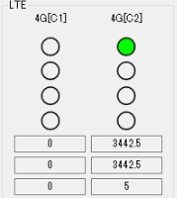
 |  |  |  | 1. Send msg 4111 (LTE cell setting) using CPRI-MT simulator tool, with scenario data: snd_msg.carno = 2 snd_msg.bandwidth = 2 snd_msg.dl_freq = 42415 <= value <= 42765 snd_msg.tx_ant_no = 2 2. Check LTE cell setting area | 1. Cell setting area for 4G[C1] is UNCHANGED 2. Cell setting area for 4G[C2] is displayed with data: - Ant-A: Gray, Ant-B: Green, Ant-C: Gray, Ant-D: Gray - Downlink freq: An integer calculated using "3400 + 0.1 x (snd_msg.dl_freq - 41590)" - Uplink freq: Downlink freq - Bandwidth: 10 |  |  |  | In this example image, sd_msg.dl_req = 42415 | 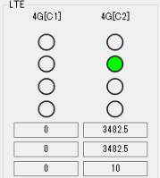
 |  |  |  | 1. Send msg 4111 (LTE cell setting) using CPRI-MT simulator tool, with scenario data: snd_msg.carno = 2 snd_msg.bandwidth = 3 snd_msg.dl_freq = 42415 <= value <= 42765 snd_msg.tx_ant_no = 3 2. Check LTE cell setting area | 1. Cell setting area for 4G[C1] is UNCHANGED 2. Cell setting area for 4G[C2] is displayed with data: - Ant-A: Green, Ant-B: Green, Ant-C: Gray, Ant-D: Gray - Downlink freq: An integer calculated using "3400 + 0.1 x (snd_msg.dl_freq - 41590)" - Uplink freq: Downlink freq - Bandwidth: 15 |  |  |  | In this example image, sd_msg.dl_req = 42765 | 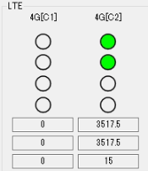
 |  |  |  | 1. Send msg 4111 (LTE cell setting) using CPRI-MT simulator tool, with scenario data: snd_msg.carno = 2 snd_msg.bandwidth = 4 snd_msg.dl_freq = 42415 <= value <= 42765 snd_msg.tx_ant_no = 4 2. Check LTE cell setting area | 1. Cell setting area for 4G[C1] is UNCHANGED 2. Cell setting area for 4G[C2] is displayed with data: - Ant-A: Gray, Ant-B: Gray, Ant-C: Green, Ant-D: Gray - Downlink freq: An integer calculated using "3400 + 0.1 x (snd_msg.dl_freq - 41590)" - Uplink freq: Downlink freq - Bandwidth: 20 |  |  |  | In this example image, sd_msg.dl_req = 42760 | 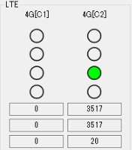
 |  |  |  | 1. Send msg 4111 (LTE cell setting) using CPRI-MT simulator tool, with scenario data: snd_msg.carno = 2 snd_msg.bandwidth = [ value which is not 1, 2, 3 or 4 ] snd_msg.dl_freq = [ other value as above TCs] snd_msg.tx_ant_no = [ value which is not 1, 2, 3 or 4 ] 2. Check LTE cell setting area | 1. Cell setting area for 4G[C1] is UNCHANGED 2. Cell setting area for 4G[C2] is displayed with data: - Ant-A: Gray, Ant-B: Gray, Ant-C: Gray, Ant-D: Green - Downlink freq: その範囲外 - Uplink freq: その範囲外 - Bandwidth: その範囲外 |  |  |  |  | 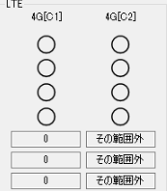
17 | MT_DS_CELL_2 | [LTE] Cell releasing | 1. Detailed screen of the selected unit is opened | 1. Send msg 4211 (LTE cell release) using CPRI-MT simulator tool, with scenario data: snd_msg.carno = 1 2. Check LTE cell setting area | 1. Cell setting area for 4G[C1] is displayed with data: - Ant-A: Gray, Ant-B: Gray, Ant-C: Gray, Ant-D: Gray - Downlink freq: 0 - Uplink freq: 0 - Bandwidth: 0 2. Cell setting area for 4G[C2] is UNCHANGED |  | PASSED | 2021-11-02 |  | 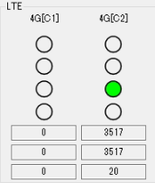
 |  |  |  | 1. Send msg 4211 (LTE cell release) using CPRI-MT simulator tool, with scenario data: snd_msg.carno = 2 2. Check LTE cell setting area | 1. Cell setting area for 4G[C1] is UNCHANGED 2. Cell setting area for 4G[C2] is displayed with data: - Ant-A: Gray, Ant-B: Gray, Ant-C: Gray, Ant-D: Gray - Downlink freq: 0 - Uplink freq: 0 - Bandwidth: 0 |  |  |  |  | 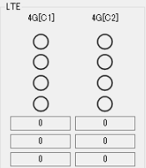
18 | MT_DS_CELL_3 | [NR] Cell setting | 1. Detailed screen of the selected unit is opened 2. Unit is started in NR-only mode | 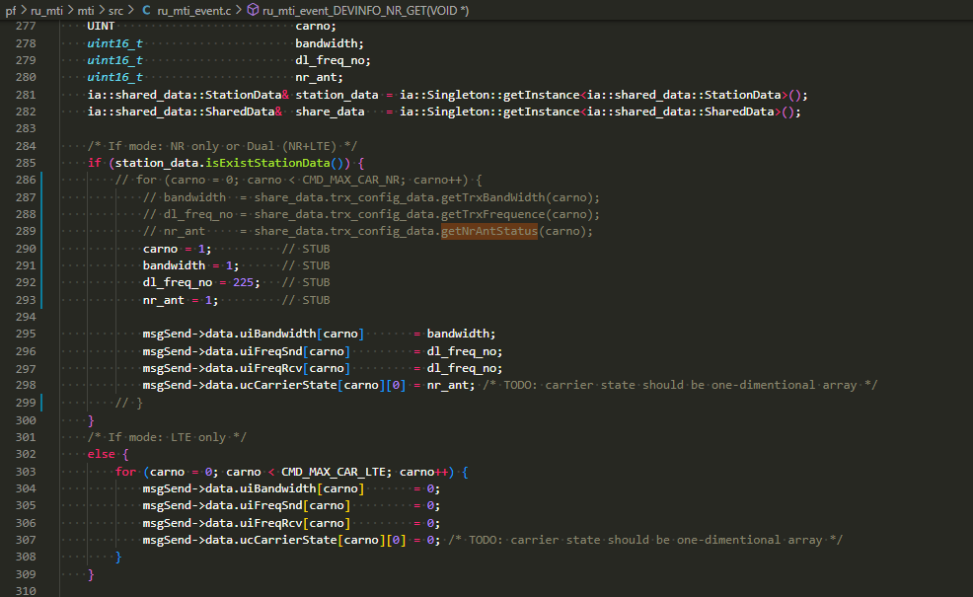 1. - Bandwidth: Set value at addr 0x00001428 as "" - Downlink frequency: Set value at addr 0x0000142A as "" 2. Check NR cell setting area | 1. Cell setting area for 5G[C1] is displayed with data: - Ant-A: Green, Ant-B: Gray, Ant-C: Gray, Ant-D: Gray - Downlink freq: An integer calculated using "2110 + snd_msg.dl_freq x 0.1" - Uplink freq: An integer calculated using "DownlinkFreq - 190" - Bandwidth: 5 2. Cell setting area for 5G[C2] is UNCHANGED |  | NOT RUN |  |  | 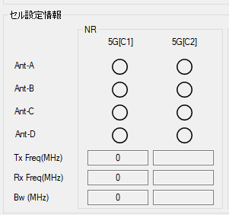
 |  |  |  | 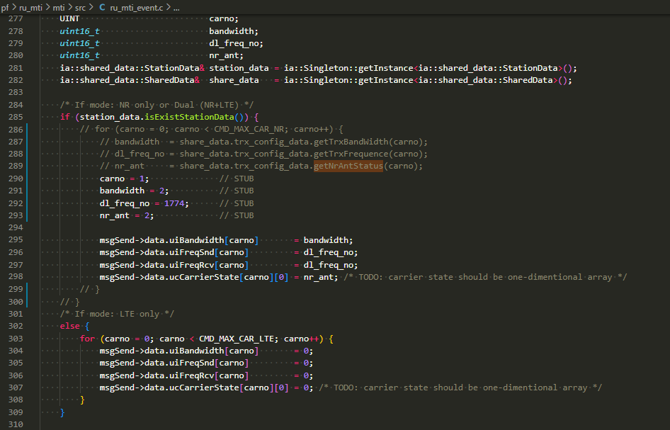 1. ??? (C1) 2. Check NR cell setting area | 1. Cell setting area for 5G[C1] is displayed with data: - Ant-A: Gray, Ant-B: Green, Ant-C: Gray, Ant-D: Gray - Downlink freq: An integer calculated using "1805 + 0.1 x (snd_msg.dl_freq - 1200)" - Uplink freq: An integer calculated using "DownlinkFreq - 95" - Bandwidth: 10 2. Cell setting area for 5G[C2] is UNCHANGED |  |  |  |  | 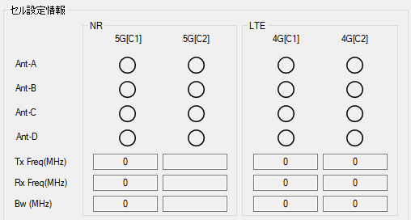
 |  |  |  | 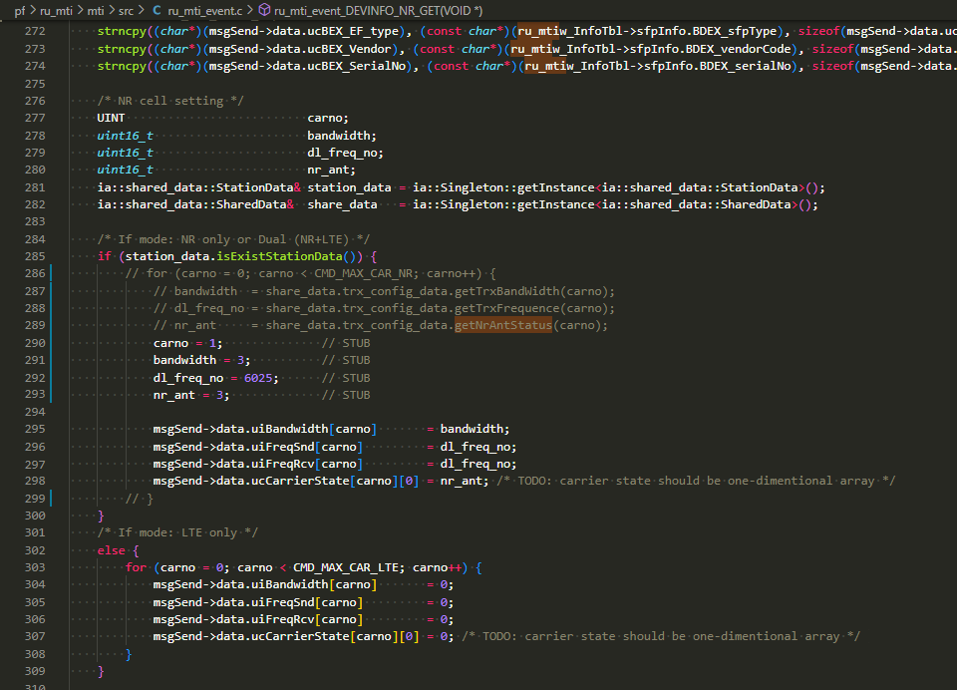 1. ??? (C1) 2. Check NR cell setting area | 1. Cell setting area for 5G[C1] is displayed with data: - Ant-A: Gray, Ant-B: Gray, Ant-C: Green, Ant-D: Gray - Downlink freq: An integer calculated using "875 + 0.1 x (snd_msg.dl_freq - 6000)" - Uplink freq: An integer calculated using "DownlinkFreq - 45" - Bandwidth: 15 2. Cell setting area for 5G[C2] is UNCHANGED |  |  |  |  | 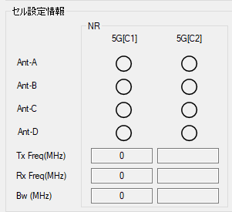
 |  |  |  | 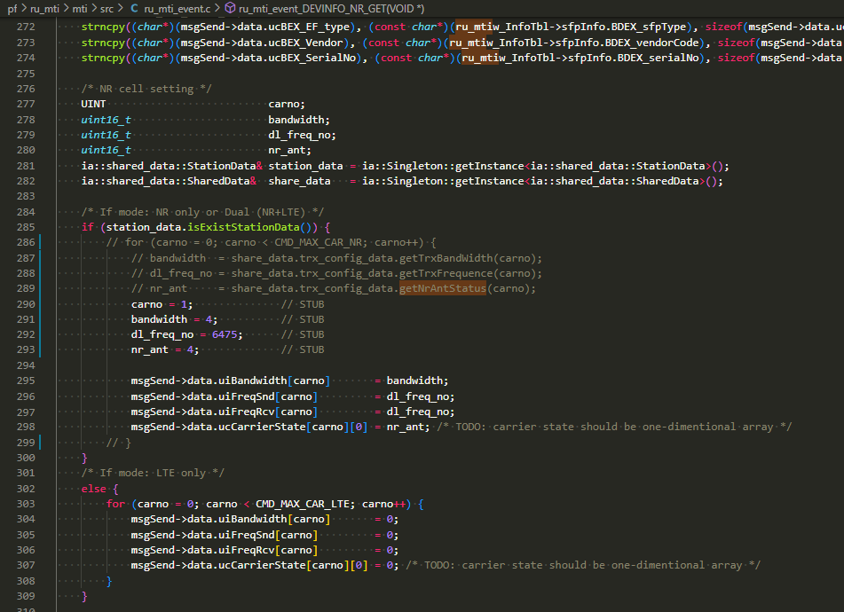 1. ??? (C1) 2. Check NR cell setting area | 1. Cell setting area for 5G[C1] is displayed with data: - Ant-A: Gray, Ant-B: Gray, Ant-C: Gray, Ant-D: Green - Downlink freq: An integer calculated using "1495.9 + 0.1 x (snd_msg.dl_freq - 6450)" - Uplink freq: An integer calculated using "DownlinkFreq - 48" - Bandwidth: 20 2. Cell setting area for 5G[C2] is UNCHANGED |  |  |  |  | 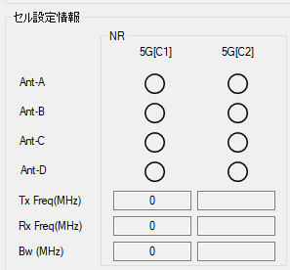
 |  |  |  | 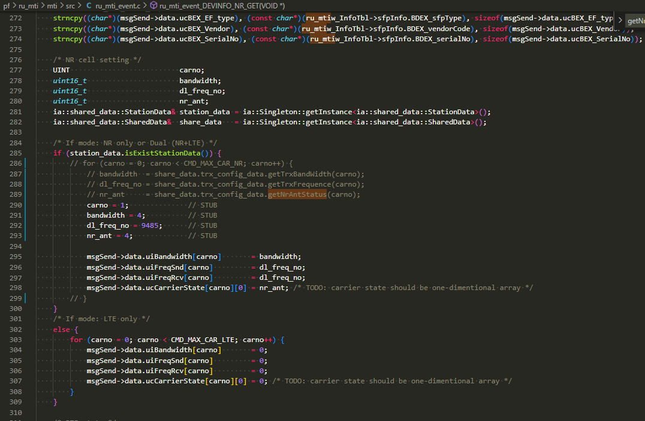 1. ??? (C1) 2. Check NR cell setting area | 1. Cell setting area for 5G[C1] is displayed with data: - Ant-A: Gray, Ant-B: Gray, Ant-C: Gray, Ant-D: Green - Downlink freq: An integer calculated using "758 + 0.1 x (snd_msg.dl_freq - 9210)" - Uplink freq: An integer calculated using "DownlinkFreq - 55" - Bandwidth: 20 2. Cell setting area for 5G[C2] is UNCHANGED |  |  |  |  | 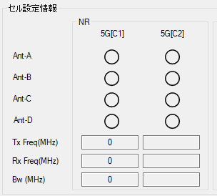
 |  |  |  | 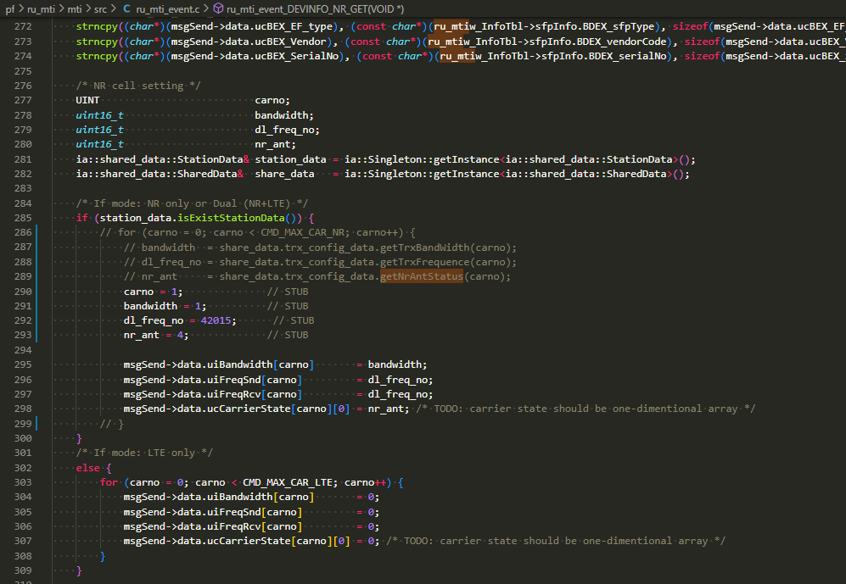 1. ??? (C1) 2. Check NR cell setting area | 1. Cell setting area for 5G[C1] is displayed with data: - Ant-A: Gray, Ant-B: Gray, Ant-C: Gray, Ant-D: Green - Downlink freq: An integer calculated using "3400 + 0.1 x (snd_msg.dl_freq - 41590)" - Uplink freq: Downlink freq - Bandwidth: 20 2. Cell setting area for 5G[C2] is UNCHANGED |  |  |  |  | 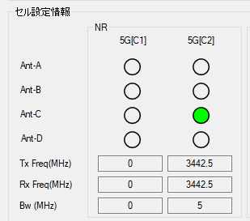
 |  |  |  | 1. ??? (C1) 2. Check NR cell setting area | 1. Cell setting area for 5G[C1] is displayed with data: - Ant-A: Gray, Ant-B: Gray, Ant-C: Gray, Ant-D: Green - Downlink freq: An integer calculated using "3400 + 0.1 x (snd_msg.dl_freq - 41590)" - Uplink freq: Downlink freq - Bandwidth: 20 2. Cell setting area for 5G[C2] is UNCHANGED
 |  |  |  | 1. ??? (C1) 2. Check NR cell setting area | 1. Cell setting area for 5G[C1] is displayed with data: - Ant-A: Gray, Ant-B: Gray, Ant-C: Gray, Ant-D: Green - Downlink freq: その範囲外 - Uplink freq: その範囲外 - Bandwidth: その範囲外 2. Cell setting area for 5G[C2] is UNCHANGED
 |  |  |  | 1. - Bandwidth: Set value at addr 0x00001434 as "" - Downlink frequency: Set value at addr 0x00001436 as "" 2. Check NR cell setting area | 1. Cell setting area for 5G[C1] is UNCHANGED 2. Cell setting area for 5G[C2] is displayed with data: - Ant-A: Green, Ant-B: Gray, Ant-C: Gray, Ant-D: Gray - Downlink freq: その範囲外 - Uplink freq: その範囲外 - Bandwidth: 5
 |  |  |  | 1. ??? (C2) 2. Check NR cell setting area | 1. Cell setting area for 5G[C1] is UNCHANGED 2. Cell setting area for 5G[C2] is displayed with data: - Ant-A: Gray, Ant-B: Green, Ant-C: Gray, Ant-D: Gray - Downlink freq: その範囲外 - Uplink freq: その範囲外 - Bandwidth: 10
 |  |  |  | 1. ??? (C2) 2. Check NR cell setting area | 1. Cell setting area for 5G[C1] is UNCHANGED 2. Cell setting area for 5G[C2] is displayed with data: - Ant-A: Gray, Ant-B: Gray, Ant-C: Green, Ant-D: Gray - Downlink freq: その範囲外 - Uplink freq:その範囲外 - Bandwidth: 15
 |  |  |  | 1. ??? (C2) 2. Check NR cell setting area | 1. Cell setting area for 5G[C1] is UNCHANGED 2. Cell setting area for 5G[C2] is displayed with data: - Ant-A: Gray, Ant-B: Gray, Ant-C: Gray, Ant-D: Green - Downlink freq: その範囲外 - Uplink freq: その範囲外 - Bandwidth: 20
 |  |  |  | 1. ??? (C2) 2. Check NR cell setting area | 1. Cell setting area for 5G[C1] is UNCHANGED 2. Cell setting area for 5G[C2] is displayed with data: - Ant-A: Gray, Ant-B: Gray, Ant-C: Gray, Ant-D: Green - Downlink freq: その範囲外 - Uplink freq: その範囲外 - Bandwidth: 20
 |  |  |  | 1. ??? (C2) 2. Check NR cell setting area | 1. Cell setting area for 5G[C1] is UNCHANGED 2. Cell setting area for 5G[C2] is displayed with data: - Ant-A: Gray, Ant-B: Gray, Ant-C: Gray, Ant-D: Green - Downlink freq: An integer calculated using "3400 + 0.1 x (snd_msg.dl_freq - 41590)" - Uplink freq: Downlink freq - Bandwidth: 20
 |  |  |  | 1. ??? (C2) 2. Check NR cell setting area | 1. Cell setting area for 5G[C1] is UNCHANGED 2. Cell setting area for 5G[C2] is displayed with data: - Ant-A: Gray, Ant-B: Gray, Ant-C: Gray, Ant-D: Green - Downlink freq: An integer calculated using "3400 + 0.1 x (snd_msg.dl_freq - 41590)" - Uplink freq: Downlink freq - Bandwidth: 20
 |  |  |  | 1. ??? (C2) 2. Check NR cell setting area | 1. Cell setting area for 5G[C1] is UNCHANGED 2. Cell setting area for 5G[C2] is displayed with data: - Ant-A: Gray, Ant-B: Gray, Ant-C: Gray, Ant-D: Green - Downlink freq: その範囲外 - Uplink freq: その範囲外 - Bandwidth: その範囲外
19 | MT_DS_CELL_4 | [NR] Cell releasing | 1. Detailed screen of the selected unit is opened 2. Unit is started in NR-only mode | 1. ??? (C1) 2. Check NR cell setting area | 1. Cell setting area for 5G[C1] is displayed with data: - Ant-A: Gray, Ant-B: Gray, Ant-C: Gray, Ant-D: Gray - Downlink freq: 0 - Uplink freq: 0 - Bandwidth: 0 2. Cell setting area for 5G[C2] is UNCHANGED |  | NOT RUN
 |  |  |  | 1. ??? (C2) 2. Check NR cell setting area | 1. Cell setting area for 5G[C1] is UNCHANGED 2. Cell setting area for 5G[C2] is displayed with data: - Ant-A: Gray, Ant-B: Gray, Ant-C: Gray, Ant-D: Gray - Downlink freq: 0 - Uplink freq: 0 - Bandwidth: 0
Unit reset (リセット) (for 6 units)
20 | MT_DS_UR_1 | Open Unit Reset dialog | 1. Detailed screen of the selected unit is opened 2. Button "リセット" is enabled | 1. Click button "リセット" | 1. The Unit Reset dialog is opened |  | PASSED
Account reset (Accountリセット) (for 6 units)
21 | MT_DS_ACC_1 | Open Account Reset dialog | 1. Detailed screen of the selected unit is opened 2. Button "Accountリセット" is enabled | 1. Click button "Accountリセット" | 1. The Account Reset dialog is opened |  | PASSED
Forced alarm (強制ALM) (for 6 units)
22 | MT_DS_ALM_1 | Open Forced Alarm dialog | 1. Detailed screen of the selected unit is opened 2. Button "強制ALM" is enabled | 1. Click button "強制ALM" | 1. The Forced Alarm dialog is opened |  | PASSED | 2021-09-11
Log collection (障害ログ収集) (for 6 units)
23 | MT_DS_LOG_1 | Open Log Collection dialog | 1. Detailed screen of the selected unit is opened 2. Button "障害ログ収集" is enabled | 1. Click button "障害ログ収集" | 1. The Log Collection dialog is opened |  | PASSED | 2021-09-11
VLAN ID (VLAN ID) (for 6 units)
24 | MT_DS_VLAN_1 | Open VLAN ID dialog | 1. Detailed screen of the selected unit is opened 2. Button "VLAN ID" is enabled | 1. Click button "VLAN ID" | 1. The VLAN ID dialog is opened |  | PASSED | 2021-09-11
IO Port (光入出力ポート) (for 6 units)
25 | MT_DS_PORT_1 | Open IO port dialog | 1. Detailed screen of the selected unit is opened 2. Button "光入出力ポート" is enabled | 1. Click button "光入出力ポート" | 1. The Open IO port dialog is opened |  | PASSED | 2021-09-11
FW Update (FWファイルDL) (for 6 units)
26 | MT_DS_FW_1 | Open FW Update dialog | 1. Detailed screen of the selected unit is opened 2. Button "FWファイルDL" is enabled | 1. Click button "FWファイルDL" | 1. The FW Update dialog is opened |  | PASSED | 2021-09-11

Unit Reset Dialog
 | Function name | Artiza 5G
 | Function ID
 | Updated date | 2021-11-02
 | Updated by | Tri Ho

 |  |  |  |  |  | << Back
No | Test case ID | Test case name | Precondition | Steps | Expected Result | Remark | Test result | Test date | Note | Evidence
 |  |  |  |  |  |  | PC
Unit reset (リセット) (for 6 units)
1 | MT_UR_1 | Reset unit | 1. Unit Reset dialog is opened | 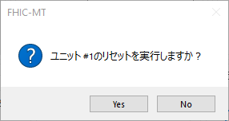 1. Click button "Yes" from the confirmation dialog | 1. The Unit Reset dialog is closed. 2. Back to the Detailed Screen. 3. All UI controls on the Detailed Screen are disabled. 4. Back to the Main Screen. 5. Unit LEDs (connection state, STS1, STS2) has color Gray. | Test 10 times. All passed. | PASSED | 2021-11-02
2 | MT_UR_2 | Reconnect TCP connection after resetting unit | 1. Button "リセット" is just clicked 2. Detailed Screen is opened | 1. Wait a few seconds 2. Check if selected unitl is reconnected with the Intermediate Device | 1. From the Main Screen, unit LEDs (connection state, STS1, STS2) has color which is NOT Gray. 2. From the Main Screen, button "詳細" of the selected unit is enabled | Test 10 times. All passed. | PASSED | 2021-11-02
3 | MT_UR_3 | Close the Unit Reset dialog without resetting the unit | 1. Unit Reset dialog is opened | 1. Click button "No" from the confirmation dialog | 1. The Unit Reset dialog is closed. |  | PASSED | 2021-11-02

Account Reset Dialog
 | Function name | Artiza 5G
 | Function ID
 | Updated date | 2021-11-02
 | Updated by | Tri Ho

 |  |  |  |  |  | << Back
No | Test case ID | Test case name | Precondition | Steps | Expected Result | Remark | Test result | Test date | Note | Evidence
 |  |  |  |  |  |  | PC
Account reset (Accountリセット) (for 6 units)
1 | MT_AR_1 | Account reset | 1. Unit is running on NR-only or NR-LTE mode 2. Account Reset dialog is opened | From row D15 | From row D15 |  | PASSED | 2021-11-02
2 | MT_AR_2 | Close the Account Reset dialog without resetting the account | 1. Account Reset dialog is opened | 1. Read EEPROM using command and remember the output value: rrh -pser 3ce 2. Click button "No" from the confirmation dialog 3. Read EEPROM using command: rrh -pser 3ce | 1.The Account Reset dialog is closed. 2. The EEPROM values in step 1 and step 3 are the same. |  | PASSED | 2021-11-02

 |  | Detailed steps for MT_AR_1

 | 1/ Start yang client, confirm default user information |  |  | --> | ①デフォルトユーザ情報を確認する
 |  | f_5g_du@localhost> run ./gets/get-o-ran-usermgmt.xml

 |  | Info: START sget usermgmt

 |  | Filling container /users:
 |  | RPC Data Reply 3 for session 4 [default]:

 |  | rpc-reply {
 |  | data {
 |  | users {
 |  | user oranuser {
 |  | name oranuser
 |  | password o-ran-password
 |  | enabled true
 |  | }
 |  | }
 |  | }
 |  | }

 |  | Info: START xget usermgmt

 |  | RPC Data Reply 4 for session 4 [default]:

 |  | rpc-reply {
 |  | data {
 |  | users {
 |  | user oranuser {
 |  | name oranuser
 |  | password o-ran-password
 |  | enabled true
 |  | }
 |  | }
 |  | }
 |  | }

 | 2/ Add users |  |  | --> | ②ユーザを追加する
 |  | f_5g_du@localhost> run ./edits/edit-o-ran-usermgmt_alt_maxuser.xml

 |  | Info: START edit-confg usermgmt MAX USER

 |  | RPC OK Reply 5 for session 4 [default]:

 | 3/ Confirm added users after step 2 |  |  | --> | ③追加されたことを確認
 |  | f_5g_du@localhost> run ./gets/get-o-ran-usermgmt.xml

 |  | Info: START sget usermgmt

 |  | Filling container /users:
 |  | RPC Data Reply 6 for session 4 [default]:

 |  | rpc-reply {
 |  | data {
 |  | users {
 |  | user oranuser {
 |  | name oranuser
 |  | password o-ran-password
 |  | enabled true
 |  | }
 |  | user fujitsu01 {
 |  | name fujitsu01
 |  | password password01
 |  | enabled true
 |  | }
 |  | user fujitsu02 {
 |  | name fujitsu02
 |  | password password02
 |  | enabled true
 |  | }
 |  | user fujitsu03 {
 |  | name fujitsu03
 |  | password password03
 |  | enabled true
 |  | }
 |  | user fujitsu04 {
 |  | name fujitsu04
 |  | password password04
 |  | enabled true
 |  | }
 |  | }
 |  | }
 |  | }

 |  | Info: START xget usermgmt

 |  | RPC Data Reply 7 for session 4 [default]:

 |  | rpc-reply {
 |  | data {
 |  | users {
 |  | user oranuser {
 |  | name oranuser
 |  | password o-ran-password
 |  | enabled true
 |  | }
 |  | user fujitsu01 {
 |  | name fujitsu01
 |  | password password01
 |  | enabled true
 |  | }
 |  | user fujitsu02 {
 |  | name fujitsu02
 |  | password password02
 |  | enabled true
 |  | }
 |  | user fujitsu03 {
 |  | name fujitsu03
 |  | password password03
 |  | enabled true
 |  | }
 |  | user fujitsu04 {
 |  | name fujitsu04
 |  | password password04
 |  | enabled true
 |  | }
 |  | }
 |  | }
 |  | }

 | 4/ Reset unit |  |  | --> | ④ユニットのリセットを実施
 | 5/ Confirm added users in step 2 still exist |  |  | --> | ➄追加されたユーザのままであることを確認
 |  | f_5g_du@localhost> run ./gets/get-o-ran-usermgmt.xml

 |  | Info: START sget usermgmt

 |  | Filling container /users:
 |  | RPC Data Reply 3 for session 4 [default]:

 |  | rpc-reply {
 |  | data {
 |  | users {
 |  | user fujitsu01 {
 |  | name fujitsu01
 |  | password password01
 |  | enabled true
 |  | }
 |  | user fujitsu02 {
 |  | name fujitsu02
 |  | password password02
 |  | enabled true
 |  | }
 |  | user fujitsu03 {
 |  | name fujitsu03
 |  | password password03
 |  | enabled true
 |  | }
 |  | user fujitsu04 {
 |  | name fujitsu04
 |  | password password04
 |  | enabled true
 |  | }
 |  | }
 |  | }
 |  | }

 |  | Info: START xget usermgmt

 |  | RPC Data Reply 4 for session 4 [default]:

 |  | rpc-reply {
 |  | data {
 |  | users {
 |  | user fujitsu01 {
 |  | name fujitsu01
 |  | password password01
 |  | enabled true
 |  | }
 |  | user fujitsu02 {
 |  | name fujitsu02
 |  | password password02
 |  | enabled true
 |  | }
 |  | user fujitsu03 {
 |  | name fujitsu03
 |  | password password03
 |  | enabled true
 |  | }
 |  | user fujitsu04 {
 |  | name fujitsu04
 |  | password password04
 |  | enabled true
 |  | }
 |  | }
 |  | }
 |  | }

 | 6/ Click on Reset Account button |  |  | --> | ⑥MTツールからボタンを押してユーザ情報リセット
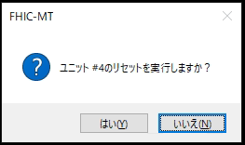

 | 7/ Confirm added users in step 2 still exist |  |  | --> | ➆追加されたユーザのままであることを確認
 |  | f_5g_du@localhost> run ./gets/get-o-ran-usermgmt.xml

 |  | Info: START sget usermgmt

 |  | Filling container /users:
 |  | RPC Data Reply 3 for session 4 [default]:

 |  | rpc-reply {
 |  | data {
 |  | users {
 |  | user fujitsu01 {
 |  | name fujitsu01
 |  | password password01
 |  | enabled true
 |  | }
 |  | user fujitsu02 {
 |  | name fujitsu02
 |  | password password02
 |  | enabled true
 |  | }
 |  | user fujitsu03 {
 |  | name fujitsu03
 |  | password password03
 |  | enabled true
 |  | }
 |  | user fujitsu04 {
 |  | name fujitsu04
 |  | password password04
 |  | enabled true
 |  | }
 |  | }
 |  | }
 |  | }

 |  | Info: START xget usermgmt

 |  | RPC Data Reply 4 for session 4 [default]:

 |  | rpc-reply {
 |  | data {
 |  | users {
 |  | user fujitsu01 {
 |  | name fujitsu01
 |  | password password01
 |  | enabled true
 |  | }
 |  | user fujitsu02 {
 |  | name fujitsu02
 |  | password password02
 |  | enabled true
 |  | }
 |  | user fujitsu03 {
 |  | name fujitsu03
 |  | password password03
 |  | enabled true
 |  | }
 |  | user fujitsu04 {
 |  | name fujitsu04
 |  | password password04
 |  | enabled true
 |  | }
 |  | }
 |  | }
 |  | }

 | 8/ Reset unit |  |  | --> | ⑧ユニットのリセットを実施
 | 9/ Confirm user exists in system. Only default account appears |  |  | --> | ➈デフォルトユーザ情報になることを確認する
 |  | f_5g_du@localhost> run ./gets/get-o-ran-usermgmt.xml

 |  | Info: START sget usermgmt

 |  | Filling container /users:
 |  | RPC Data Reply 3 for session 4 [default]:

 |  | rpc-reply {
 |  | data {
 |  | users {
 |  | user oranuser {
 |  | name oranuser
 |  | password o-ran-password
 |  | enabled true
 |  | }
 |  | }
 |  | }
 |  | }

 |  | Info: START xget usermgmt

 |  | RPC Data Reply 4 for session 4 [default]:

 |  | rpc-reply {
 |  | data {
 |  | users {
 |  | user oranuser {
 |  | name oranuser
 |  | password o-ran-password
 |  | enabled true
 |  | }
 |  | }
 |  | }
 |  | }

Forced Alarm Dialog
 | Function name | Artiza 5G
 | Function ID
 | Updated date | 2021-11-02
 | Updated by | Tri Ho

 |  |  |  |  |  | << Back
No | Test case ID | Test case name | Precondition | Steps | Expected Result | Remark | Test result | Test date | Note | Evidence
 |  |  |  |  |  |  | PC
Forced alarm (強制ALM) (for 6 units)
1 | MT_FA_1 | Forced alarm | 1. Forced Alarm dialog is opened | 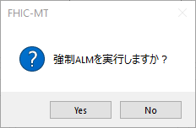 1. Click button "Yes" from the confirmation dialog 2. Check item "Forced ALM" after running command: rrh -status | 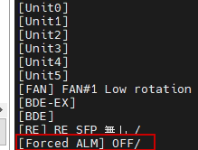 1. The Forced Alarm dialog is closed. 2. Back to the Detailed Screen. 3. Button "強制ALM" is disabled for a few mili-seconds/seconds then enabled. 4. The item "Forced ALM" has value: "ON" |  | PASSED | 2021-11-02
2 | MT_FA_2 | Close the Forced Alarm dialog without setting anything | 1. Forced Alarm dialog is opened | 1. Check item "Forced ALM" after running command and remember the output value: rrh -status 2. Click button "No" from the confirmation dialog 3. Check item "Forced ALM" after running command: rrh -status | 1. The Forced Alarm dialog is closed. 2. The item "Forced ALM" values in step 1 and step 3 are the same. |  | PASSED | 2021-11-02

Log Collection Dialog
 | Function name | Artiza 5G
 | Function ID
 | Updated date | 2021-11-02
 | Updated by | Tri Ho

 |  |  |  |  |  | << Back
No | Test case ID | Test case name | Precondition | Steps | Expected Result | Remark | Test result | Test date | Note | Evidence
 |  |  |  |  |  |  | PC
Log collection (障害ログ収集) (for 6 units)
1 | MT_LC_1 | Collect log | 1. Log Collection dialog is opened | 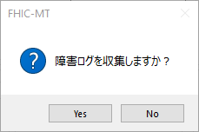 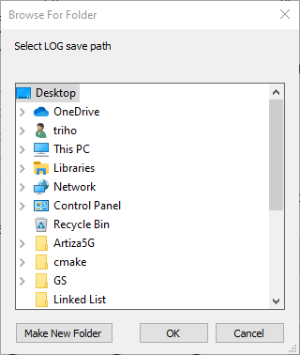 1. Click button "Yes" from the confirmation dialog 2. From the Browse dialog, choose folder location where to save the log 3. Wait until the log collection process is fininished 4. Check the folder location at step 3 | 1. The folder location has a log file in archive format (no extension). - This archive file stores all log files (copied from folder "/var/volatile/log" of selected unit). - And it's named as "5gru_mt_logfile_<year-month-day-second-milisecond>" |  | PASSED | 2021-11-02 | After extracting the gz file, got following log files: | 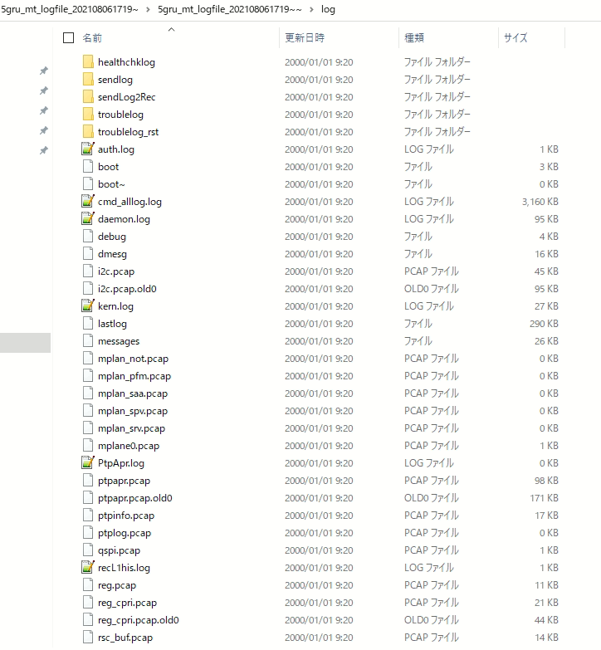 After extracting the gz file, got following log files:
2 | MT_LC_2 | Close the Log Collection dialog without collecting any log | 1. Log Collection dialog is opened | 1. Click button "No" from the confirmation dialog | 1. The Log Collection dialog is closed. |  | PASSED | 2021-11-02

VLAN ID Dialog
 | Function name | Artiza 5G
 | Function ID
 | Updated date | 2021-11-02
 | Updated by | Tri Ho

 |  |  |  |  |  | << Back
No | Test case ID | Test case name | Precondition | Steps | Expected Result | Remark | Test result | Test date | Note | Evidence
 |  |  |  |  |  |  | PC
VLAN ID (VLAN ID) (for 6 units)
1 | MT_VLAN_1 | Set VLAN ID | 1. Unit is running on NR-only or NR-LTE mode 2. VLAN ID dialog is opened | This test case has 2 patterns. Their detailed steps are described from Row C19 | Check from Row C19 |  | PASSED | 2021-11-02
2 | MT_VLAN_2 | Check VLAN ID values when openning dialog | 1. VLAN ID dialog is closed | 1. Open VLAN ID dialog 2. Check value of textbox 最小のVLAN ID and 最大のVLAN ID | 1. The textbox 最小のVLAN ID has the same value as TC MT_VLAN_1 2. The textbox 最大のVLAN ID has the same value as TC MT_VLAN_1 |  | PASSED | 2021-11-02
3 | MT_VLAN_3 | Input INVALID value to textbox 最小のVLAN ID | 1. VLAN ID dialog is opened | 1. Set min value for VLAN to textbox 最小のVLAN ID with a value < 1 2. Click button "OK" from the confirmation dialog | 1. The textbox 最小のVLAN ID has value: 1 |  | PASSED | 2021-11-02
4 | MT_VLAN_4 | Input INVALID value to textbox 最大のVLAN ID | 1. VLAN ID dialog is opened | 1. Set min value for VLAN to textbox 最大のVLAN ID with a value > 4094 2. Click button "OK" from the confirmation dialog | 1. The textbox 最大のVLAN ID has value: 4094 |  | PASSED | 2021-11-02
5 | MT_VLAN_5 | Close the VLAN ID dialog without setting anything | 1. VLAN ID dialog is opened | 1. Read EEPROM using command: rrh -pser 320; rrh -pser 321; rrh -pser 322; rrh -pser 323; 2. Set min value for VLAN to textbox 最小のVLAN ID 3. Set max value for VLAN to textbox 最大のVLAN ID 4. Click button "Cancel" from the confirmation dialog 5. Read EEPROM using command: rrh -pser 320; rrh -pser 321; rrh -pser 322; rrh -pser 323; | 1. The Account Reset dialog is closed. 2. The EEPROM values in step 1 and step 5 are the same. |  | PASSED | 2021-11-02

 | [MT_VLAN_1] Test pattern 1

Scan VLAN ID using value updated from Mplane

1. Connect tool to FHIC, open VLAN ID dialog and confirm current value of VLAN ID range.

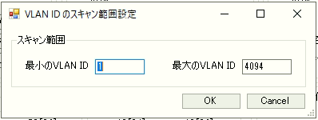

2. Update VLAN ID range of tool from 5 to 10, press "OK" button then confirm current value of VLAN ID range
VLAN Min
VLAN Max
Last used ID
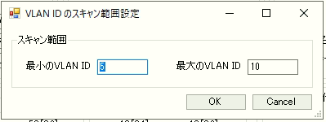

3. Update VLAN ID range using Mplane from 11 to 15, confirm value on Mplane server and EEPROM

Using command |  |  | Confirm result
 | edit-config target=running config="""
 | <config>
 | <mplane-info xmlns="urn:o-ran:mplane-interfaces:1.0">
 | <searchable-mplane-access-vlans-info>
 | <vlan-range>
 | <lowest-vlan-id>11</lowest-vlan-id>
 | <highest-vlan-id>15</highest-vlan-id>
 | </vlan-range>
 | </searchable-mplane-access-vlans-info>
 | </mplane-info>
 | </config>
 | "

4. Reset device. After rebooting, confirm VLAN ID range that are scanning
Using command "ifconfig" to confirm VLAN ID range.

VLAN ID 11 |  |  | VLAN ID 12 | VLAN ID 13 | VLAN ID 14 | VLAN ID 15






 | [MT_VLAN_1] Test pattern 2

Scan VLAN ID using value updated from MT Tool

1. Connect tool to FHIC, open VLAN ID dialog and confirm current value of VLAN ID range.



2. Update VLAN ID range using Mplane from 21 to 25

Using command |  |  | Confirm result
 | edit-config target=running config="""
 | <config>
 | <mplane-info xmlns="urn:o-ran:mplane-interfaces:1.0">
 | <searchable-mplane-access-vlans-info>
 | <vlan-range>
 | <lowest-vlan-id>21</lowest-vlan-id>
 | <highest-vlan-id>25</highest-vlan-id>
 | </vlan-range>
 | </searchable-mplane-access-vlans-info>
 | </mplane-info>
 | </config>
 | "

3. Update VLAN ID range of tool from 11 to 15, press "OK" button then confirm current value of VLAN ID range
VLAN Min
VLAN Max
Last used ID


4. Reset device. After rebooting, confirm VLAN ID range that are scanning
Using command "ifconfig" to confirm VLAN ID range.
 |  |  | VLAN ID 12 | VLAN ID 13 | VLAN ID 14 | VLAN ID 15
VLAN ID 11

IO Port Dialog
 | Function name | Artiza 5G
 | Function ID
 | Updated date | 11/2//2021
 | Updated by | Tri Ho

 |  |  |  |  |  | << Back
No | Test case ID | Test case name | Precondition | Steps | Expected Result | Remark | Test result | Test date | Note | Evidence
 |  |  |  |  |  |  | PC
IO Port (光入出力ポート) (for 6 units)
1 | MT_IO_1 | [NR] Enable IO port | 1.Open IO port dialog is opened |  1. Plug in SFP device into NR port 2. Tick NR port in "光入出力ポート" dialog 3. Click button "OK" | 1. Open IO port dialog is closed 2. Back to the Detailed Screen. 3. [NR] SFP LED is Green |  | PASSED | 11/2//2021
2 | MT_IO_2 | [NR] Disable IO port | 1.Open IO port dialog is opened | 1. Plug in SFP device into NR port 2. Untick NR port in "光入出力ポート" dialog 3. Click button "OK" | 1. Open IO port dialog is closed 2. Back to the Detailed Screen. 3. [NR] SFP LED is Gray |  | PASSED | 11/2//2021
 |  |  |  | 1. Plug out SFP device into NR port 2. Tick NR port in "光入出力ポート" dialog 3. Click button "OK" | 1. Open IO port dialog is closed 2. Back to the Detailed Screen. 3. [NR] SFP LED is Gray |  |  | 11/2//2021
3 | MT_IO_3 | [LTE] Enable IO port | 1.Open IO port dialog is opened |  1. Plug in SFP device into LTE port 2. Tick LTE port in "光入出力ポート" dialog 3. Click button "OK" | 1. Open IO port dialog is closed 2. Back to the Detailed Screen. 3. [LTE] SFP LED is Green |  | PASSED | 11/2//2021
4 | MT_IO_4 | [LTE] Disable IO port | 1.Open IO port dialog is opened | 1. Plug in SFP device into LTE port 2. Untick LTE port in "光入出力ポート" dialog 3. Click button "OK" | 1. Open IO port dialog is closed 2. Back to the Detailed Screen. 3. [LTE] SFP LED is Gray |  | PASSED | 11/2//2021
 |  |  |  | 1. Plug out SFP device into LTE port 2. Tick LTE port in "光入出力ポート" dialog 3. Click button "OK" | 1. Open IO port dialog is closed 2. Back to the Detailed Screen. 3. [LTE] SFP LED is Gray
5 | MT_IO_5 | [RE] Enable IO port | 1.Open IO port dialog is opened |  1. Plug in SFP device into RE port 2. Tick RE port in "光入出力ポート" dialog 3. Click button "OK" | 1. Open IO port dialog is closed 2. Back to the Detailed Screen. 3. [RE] SFP LED is Green |  | PASSED | 11/2//2021
6 | MT_IO_6 | [RE] Disable IO port | 1.Open IO port dialog is opened | 1. Plug in SFP device into RE port 2. Untick RE port in "光入出力ポート" dialog 3. Click button "OK" | 1. Open IO port dialog is closed 2. Back to the Detailed Screen. 3. [RE] SFP LED is Gray |  | PASSED | 11/2//2021
 |  |  |  | 1. Plug out SFP device into RE port 2. Tick RE port in "光入出力ポート" dialog 3. Click button "OK" | 1. Open IO port dialog is closed 2. Back to the Detailed Screen. 3. [RE] SFP LED is Gray
7 | MT_IO_7 | Check tick/untick state of port when opening the IO port dialog | 1.Open IO port dialog is opened | 1. Tick NR port in "光入出力ポート" dialog. Untick LTE and RE ports. 2. Click button "OK" 3. Close the IO Port dialog 4. Open the IO Port dialog | 1. NR port is ticked. 2. LTE and RE ports are unticked. |  | PASSED | 11/2//2021
 |  |  |  | 1. Tick LTE port in "光入出力ポート" dialog. Untick NR and RE ports. 2. Click button "OK" 3. Close the IO Port dialog 4. Open the IO Port dialog | 1. LTE port is ticked. 2. NR and RE ports are unticked.
 |  |  |  | 1. Tick RE port in "光入出力ポート" dialog. Untick LTE and NR ports. 2. Click button "OK" 3. Close the IO Port dialog 4. Open the IO Port dialog | 1. RE port is ticked. 2. LTE and RE ports are unticked.

Update FW Dialog
 | Function name | Artiza 5G
 | Function ID
 | Updated date | 11/2//2021
 | Updated by | Tri Ho

 |  |  |  |  |  | << Back
No | Test case ID | Test case name | Precondition | Steps | Expected Result | Remark | Test result | Test date | Note | Evidence
 |  |  |  |  |  |  | PC
FW Update (FWファイルDL) (for 6 units)
1 | MT_FW_1 | Close FW Update dialog | 1. FW Update dialog is opened |  1. Click button "閉じる" | 1. FW Update dialog is closed |  | PASSED | 11/2//2021
2 | MT_FW_2 | Browse FW file | 1. FW Update dialog is opened |  1. Click button "参照" 2. From the Browse dialog, select any file. 3. Click button "Open" the the Browse dialog. | 1. Browse dialog is closed. 2. The selected file path is displayed in textbox "FWファイル" of the FW Update dialog. | A vailid FW file format must be: -- zip -- tar.gz -- .bin -- .bit.bin -- .mfg -- manifest.xml Note: In the 'tar.gz' folder, there can be any file or all files. | PASSED | 11/2//2021
3 | MT_FW_3 | Check notification dialog after finishing FW downloading and updating process | 1. FW Update dialog is opened | 1. Click button "参照" 2. From the Browse dialog, select a valid FW file 3. Click button "Open" the the Browse dialog. 4. From the FW Update dialog, click button "FWファイルDL開始" 5. Wait until the downloading and updating process is finished | 1. Dialog is displayed: "Unit[unit-number]でFW更新が完了でした。" |  | PASSED | 11/2//2021 | 

4 | MT_FW_4 | Check status of button "リセット" in FW Update dialog during/after updating FW | 1. FW Update dialog is opened | 1. Click button "参照" 2. From the Browse dialog, select a valid FW file 3. Click button "Open" the the Browse dialog. 4. From the FW Update dialog, click button "FWファイルDL開始" 5. Wait until the downloading and updating process is finished | 1. After step 3, the button "リセット" in the FW Update dialog is enabled. 2. After step 4, the button "リセット" in the FW Update dialog is disabled. 3. After step 5, the button "リセット" in the FW Update dialog is enabled. |  | PASSED | 11/2//2021
5 | MT_FW_5 | Check status of button "参照" in FW Update dialog during/after updating FW | 1. FW Update dialog is opened | 1. Click button "参照" 2. From the Browse dialog, select a valid FW file 3. Click button "Open" the the Browse dialog. 4. From the FW Update dialog, click button "FWファイルDL開始" 5. Wait until the downloading and updating process is finished | 1. After step 3, the button "参照" in the FW Update dialog is enabled. 2. After step 4, the button "参照" in the FW Update dialog is disabled. 3. After step 5, the button "参照" in the FW Update dialog is enabled. |  | PASSED | 11/2//2021
6 | MT_FW_6 | Check status of button "FWファイルDL開始" in FW Update dialog during/after updating FW | 1. FW Update dialog is opened | 1. Click button "参照" 2. From the Browse dialog, select a valid FW file 3. Click button "Open" the the Browse dialog. 4. From the FW Update dialog, click button "FWファイルDL開始" 5. Wait until the downloading and updating process is finished | 1. After step 3, the button "FWファイルDL開始" in the FW Update dialog is enabled. 2. After step 4, the button "FWファイルDL開始" in the FW Update dialog is disabled. 3. After step 5, the button "FWファイルDL開始" in the FW Update dialog is enabled. |  | PASSED | 11/2//2021
7 | MT_FW_7 | Check status of unit STS2 LED during/after updating FW | 1. FW Update dialog is opened | 1. Click button "参照" 2. From the Browse dialog, select a valid FW file 3. Click button "Open" the the Browse dialog. 4. From the FW Update dialog, click button "FWファイルDL開始" 5. Wait until the downloading and updating process is finished | 1. After step 3, the unit STS2 LED in the Main Screen does NOT has flashing orange-green color. 2. After step 4, the unit STS2 LED HAS flashing orange-green color. 3. After step 5, the unit STS2 LED in the Main Screen does NOT has flashing orange-green color. |  | PASSED | 11/2//2021
8 | MT_FW_8 | Check bootface after finishing updating FW | 1. FW Update dialog is opened | 1. Click button "参照" 2. From the Browse dialog, select a valid FW file 3. Click button "Open" the the Browse dialog. 4. Run command "rrh -pser 50" to check bootface. Remember this value. 5. From the FW Update dialog, click button "FWファイルDL開始" 6. Wait until the downloading and updating process is finished 7. Run command "rrh -pser 50" to check bootface | 1. The bootface at step 4 and 7 is opposite. - If at step 4, bootface is 0, then at step 5, bootface is 1. - If at step 4, bootface is 1, then at step 5, bootface is 0. |  | PASSED | 11/2//2021
9 | MT_FW_9 | Check FW version and date after finishing updating FW | 1. FW Update dialog is opened | 1. Click button "参照" 2. From the Browse dialog, select a valid FW file 3. Click button "Open" the the Browse dialog. 4. Remember filed "date" and "bldVersion" in manifest.xml 5. From the FW Update dialog, click button "FWファイルDL開始" 6. Wait until the downloading and updating process is finished 7. Run command "rrh -pser 50" to check current bootface 8. Run command "rrh -ver" to check FW version |  1. The version (FW, PL FPGA, PTP) at step 8 is the same as field "bldVersion" in manifest.xml at step 4. 2. The date at step 8 is the same as field "date" in manifest.xml at step 4. | Suppose: - Current bootface is 1 - manifest.xml has items: bldVersion="1234" date="2021/6/15" Note: - The version in "rrh -pser 50" displayed in Hexadecimal. - The version in textbox FWバージョン of Tool is displayed in Decimal. | PASSED | 11/2//2021
10 | MT_FW_10 | Check error message dialog "Unit[unit-number]でFW更新応答：NG" when FW file is INVALID | 1. FW Update dialog is opened | 1. Click button "参照" 2. From the Browse dialog, select an INVALID FW file 3. Click button "Open" the the Browse dialog. 4. From the FW Update dialog, click button "FWファイルDL開始" | 1. The error message dialog "Unit[unit-number]でFW更新応答：NG" is displayed 2. The updating process is stopped | As described in TC MT_FW_2 about valid FW file. In this TC, we change it to be INVALID by using "tar" instead of "tar.gz". The invalid FW file will be: -- zip -- tar -- .bin -- .bit.bin -- .mfg -- manifest.xml | PASSED | 11/2//2021
11 | MT_FW_11 | Check unit status after finishing updating FW and resetting unit | 1. FW Update dialog is opened | 1. Click button "参照" 2. From the Browse dialog, select a valid FW file 3. Click button "Open" the the Browse dialog. 4. From the FW Update dialog, click button "FWファイルDL開始" 5. Wait until the downloading and updating process is finished 6. From FW Update dialog, click button "リセット" to reset the unit | 1. Wait until unit restarted and check if it running smoothly. |  | PASSED | 11/2//2021
12 | MT_FW_12 | Check TCP auto connection and LEDs after finishing updating FW | 1. FW Update dialog is opened | 1. Click button "参照" 2. From the Browse dialog, select a valid FW file 3. Click button "Open" the the Browse dialog. 4. From the FW Update dialog, click button "FWファイルDL開始" 5. Wait until the downloading and updating process is finished 6. From FW Update dialog, click button "リセット" to reset the unit 7. Wait until the unit started and run smoothly. | 1. FW Update dialog is closed. 2. Detailed Screen dialog is closed. 3. Back to Main Screen, the tool automatically connects to the unit and monitor its status (common LEDs and unit LEDs are turned on) | Test 2 times. All passed | PASSED | 11/2//2021 | 

